Method 3, Male, One
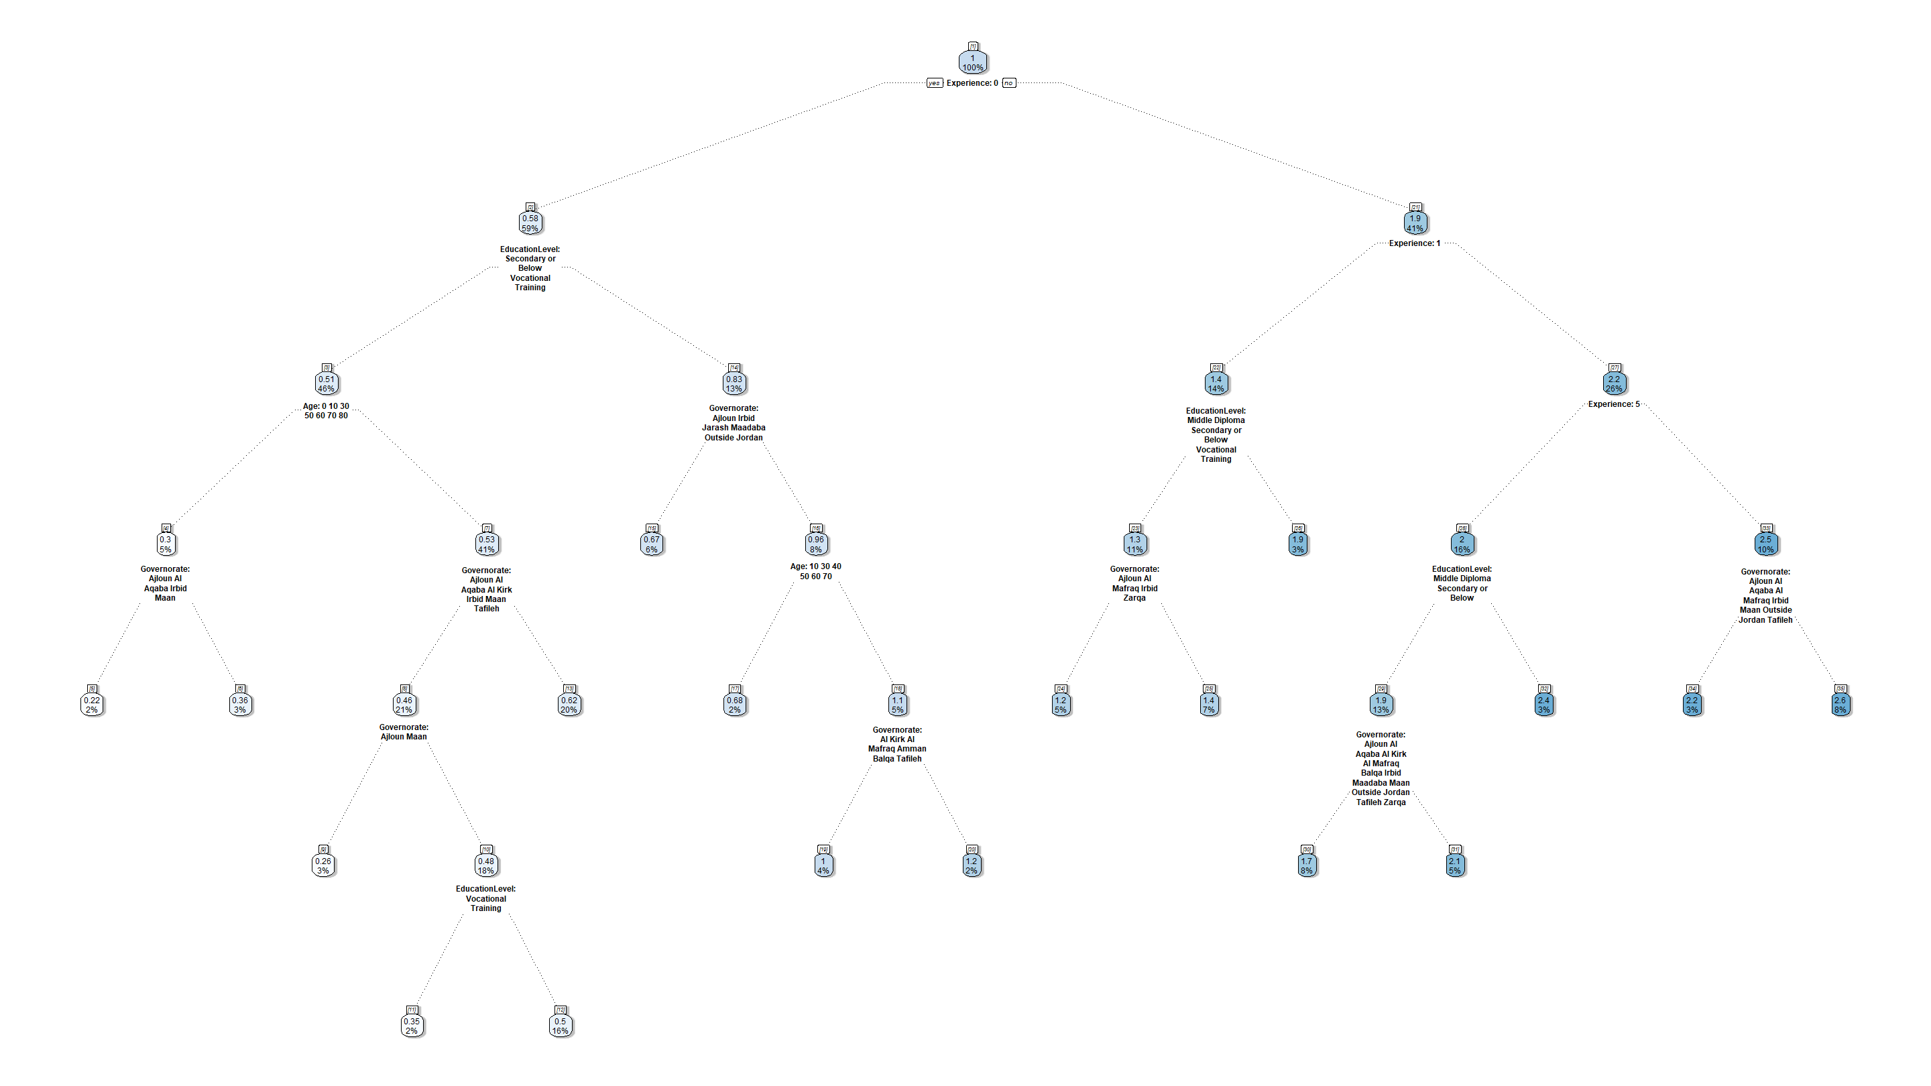
n | Cluster | cover
11 | 3 | 2% | when | Experience | is | 0 | & | Governorate | is | Al Aqaba or Al Kirk or Irbid or Tafileh | & | EducationLevel | is | Vocational Training | & | Age | is | 20 or 40
12 | 3 | 16% | when | Experience | is | 0 | & | Governorate | is | Al Aqaba or Al Kirk or Irbid or Tafileh | & | EducationLevel | is | Secondary or Below | & | Age | is | 20 or 40
15 | 3 | 6% | when | Experience | is | 0 | & | Governorate | is | Ajloun or Irbid or Jarash or Maadaba or Outside Jordan | & | EducationLevel | is | Bachelor or above or Middle Diploma
17 | 2 | 2% | when | Experience | is | 0 | & | Governorate | is | Al Aqaba or Al Kirk or Al Mafraq or Amman or Balqa or Maan or Tafileh or Zarqa | & | EducationLevel | is | Bachelor or above or Middle Diploma | & | Age | is | 10 or 30 or 40 or 50 or 60 or 70
19 | 2 | 4% | when | Experience | is | 0 | & | Governorate | is | Al Kirk or Al Mafraq or Amman or Balqa or Tafileh | & | EducationLevel | is | Bachelor or above or Middle Diploma | & | Age | is | 20
20 | 2 | 2% | when | Experience | is | 0 | & | Governorate | is | Al Aqaba or Maan or Zarqa | & | EducationLevel | is | Bachelor or above or Middle Diploma | & | Age | is | 20
24 | 2 | 5% | when | Experience | is | 1 | & | Governorate | is | Ajloun or Al Mafraq or Irbid or Zarqa | & | EducationLevel | is | Middle Diploma or Secondary or Below or Vocational Training
25 | 2 | 7% | when | Experience | is | 1 | & | Governorate | is | Al Aqaba or Al Kirk or Amman or Balqa or Jarash or Maadaba or Maan or Tafileh | & | EducationLevel | is | Middle Diploma or Secondary or Below or Vocational Training
26 | 1 | 3% | when | Experience | is | 1 |  |  |  |  | & | EducationLevel | is | Bachelor or above
30 | 2 | 8% | when | Experience | is | 5 | & | Governorate | is | Ajloun or Al Aqaba or Al Kirk or Al Mafraq or Balqa or Irbid or Maadaba or Maan or Outside Jordan or Tafileh or Zarqa | & | EducationLevel | is | Middle Diploma or Secondary or Below
31 | 1 | 5% | when | Experience | is | 5 | & | Governorate | is | Amman or Jarash | & | EducationLevel | is | Middle Diploma or Secondary or Below
32 | 1 | 3% | when | Experience | is | 5 |  |  |  |  | & | EducationLevel | is | Bachelor or above or Vocational Training
34 | 1 | 3% | when | Experience | is | 10 or 15 or 20 | & | Governorate | is | Ajloun or Al Aqaba or Al Mafraq or Irbid or Maan or Outside Jordan or Tafileh
35 | 1 | 8% | when | Experience | is | 10 or 15 or 20 | & | Governorate | is | Al Kirk or Amman or Balqa or Jarash or Maadaba or Zarqa
5 | 3 | 2% | when | Experience | is | 0 | & | Governorate | is | Ajloun or Al Aqaba or Irbid or Maan | & | EducationLevel | is | Secondary or Below or Vocational Training | & | Age | is | 0 or 10 or 30 or 50 or 60 or 70 or 80
6 | 3 | 3% | when | Experience | is | 0 | & | Governorate | is | Al Kirk or Al Mafraq or Amman or Balqa or Jarash or Maadaba or Tafileh or Zarqa | & | EducationLevel | is | Secondary or Below or Vocational Training | & | Age | is | 0 or 10 or 30 or 50 or 60 or 70 or 80
9 | 2 | 3% | when | Experience | is | 0 | & | Governorate | is | Ajloun or Maan | & | EducationLevel | is | Secondary or Below or Vocational Training | & | Age | is | 20 or 40

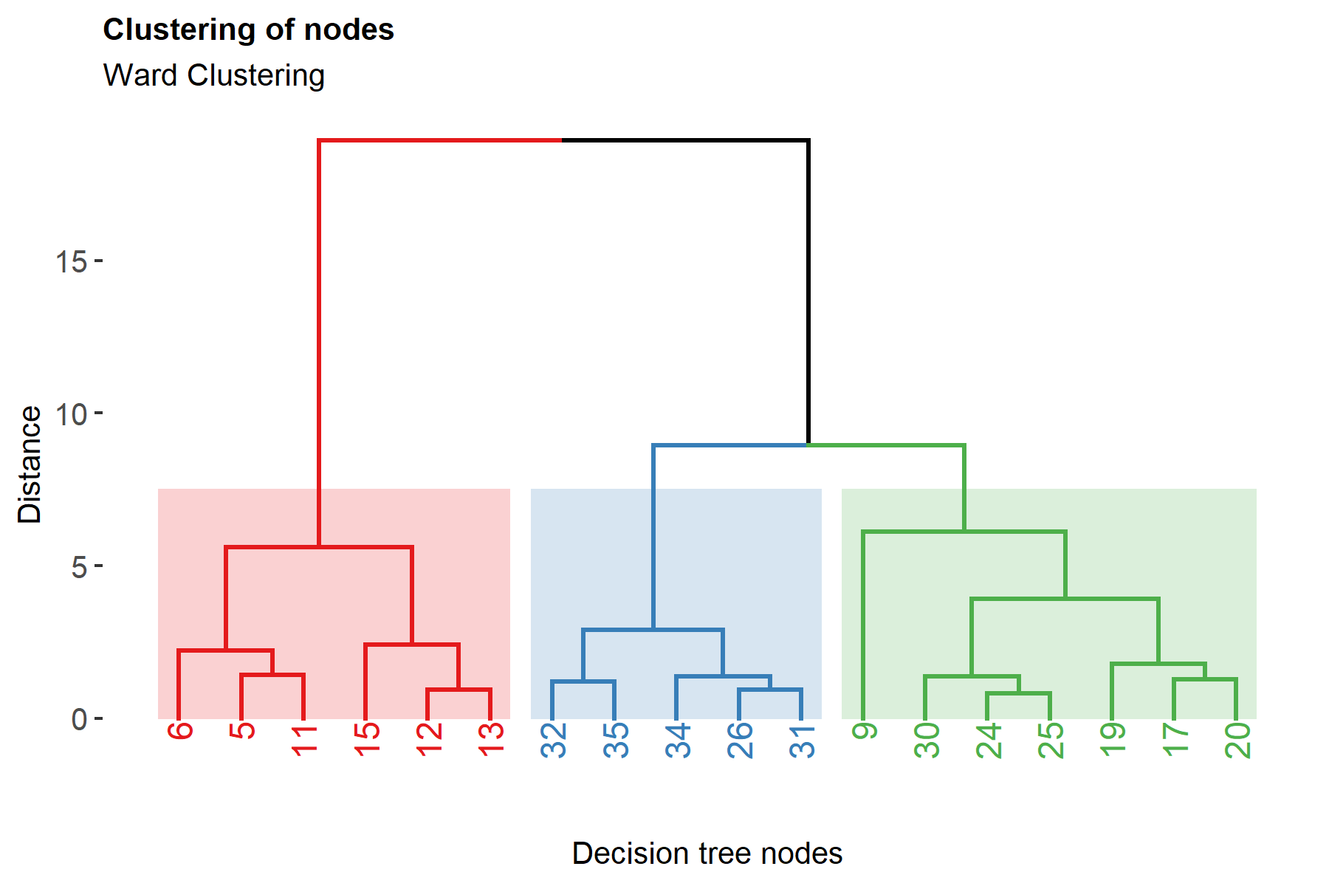

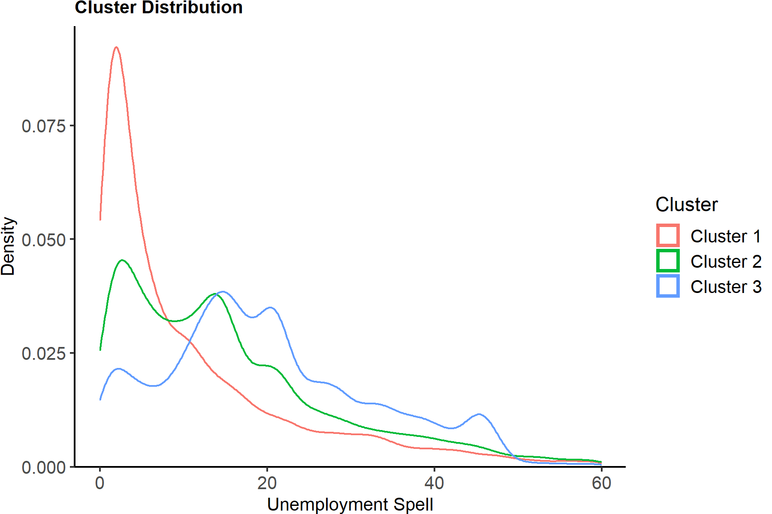
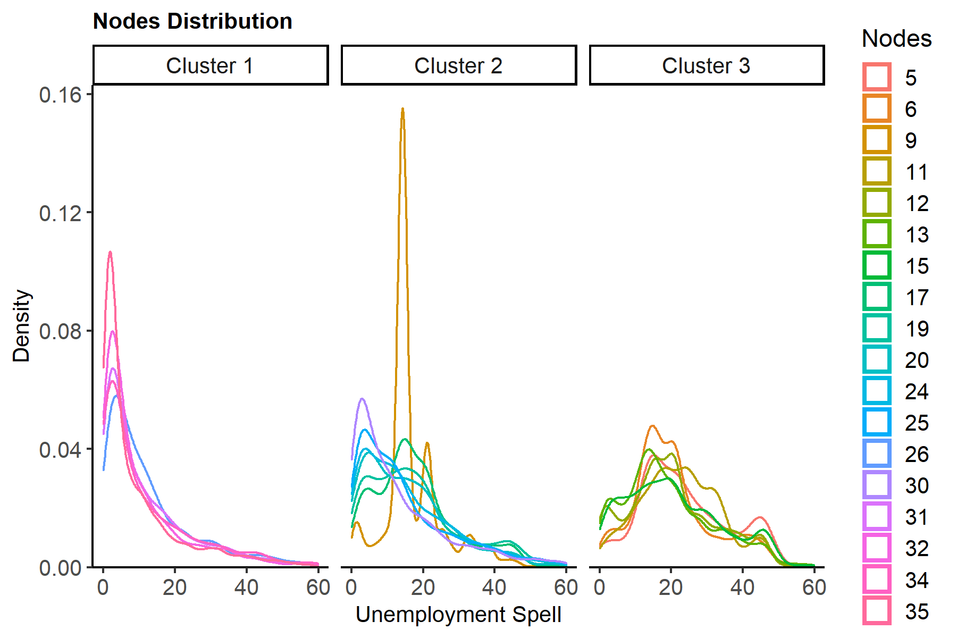

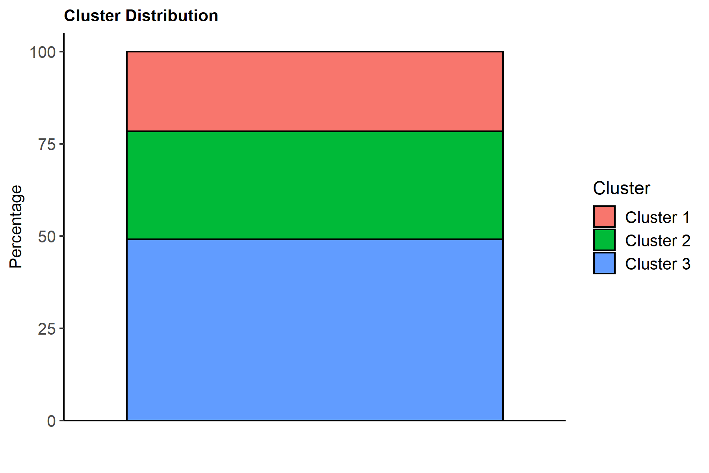
NameCluster | one
Cluster 1 | 21.552179657
Cluster 2 | 29.339498018
Cluster 3 | 49.108322325

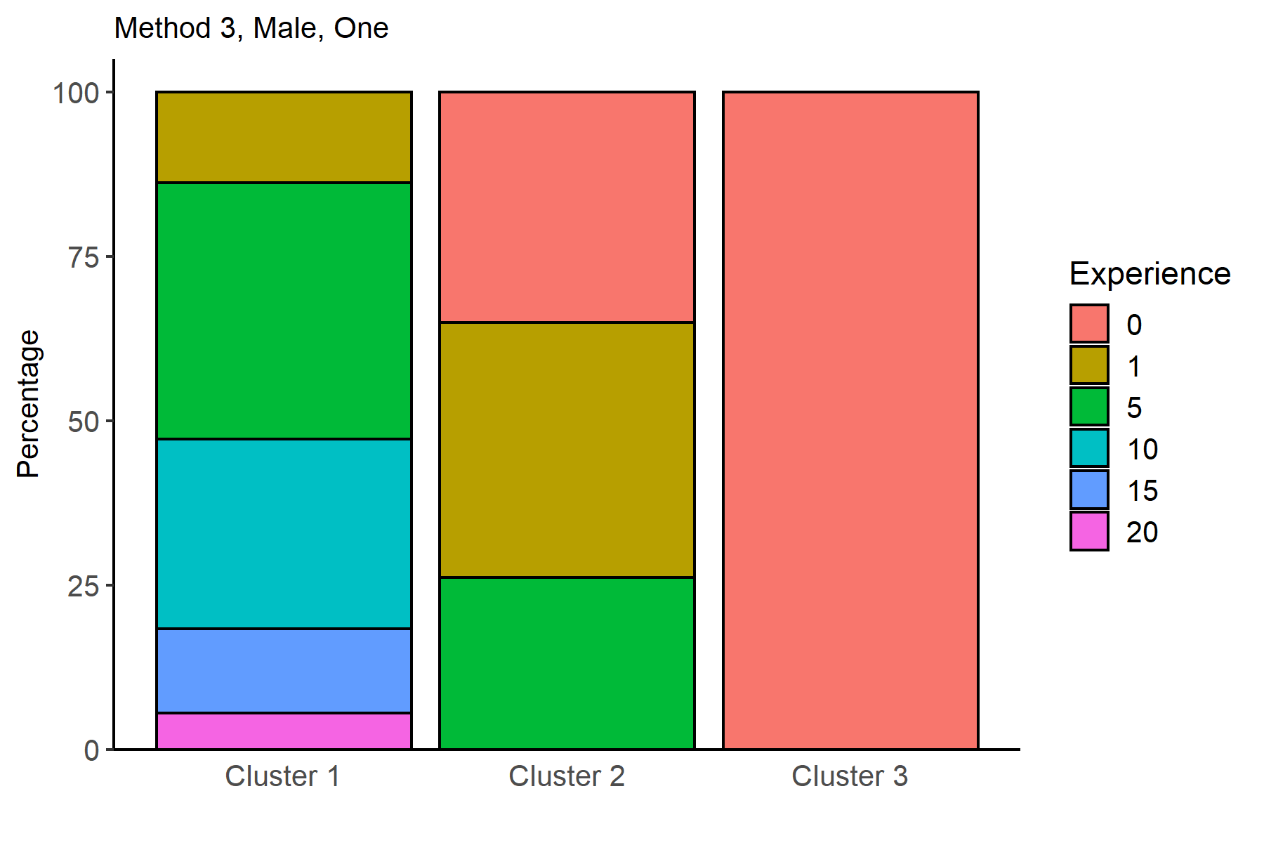
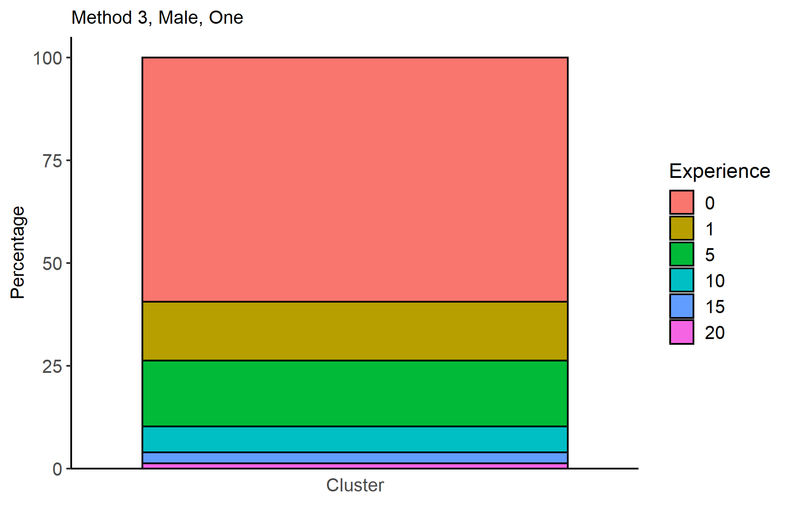
Experience | Cluster 1 | Cluster 2 | Cluster 3 |  |  |  |  |  |  |  |  |  |  |  |  |  |  |  | Experience | one
0 |  | 35.040522287 | 100 |  |  |  |  |  |  |  |  |  |  |  |  |  |  |  | 0 | 59.389035667
1 | 13.790989887 | 38.833858622 |  |  |  |  |  |  |  |  |  |  |  |  |  |  |  |  | 1 | 14.365918098
5 | 38.967208091 | 26.12561909 |  |  |  |  |  |  |  |  |  |  |  |  |  |  |  |  | 5 | 16.06340819
10 | 28.869138829 |  |  |  |  |  |  |  |  |  |  |  |  |  |  |  |  |  | 10 | 6.2219286658
15 | 12.79497395 |  |  |  |  |  |  |  |  |  |  |  |  |  |  |  |  |  | 15 | 2.7575957728
20 | 5.577689243 |  |  |  |  |  |  |  |  |  |  |  |  |  |  |  |  |  | 20 | 1.2021136063

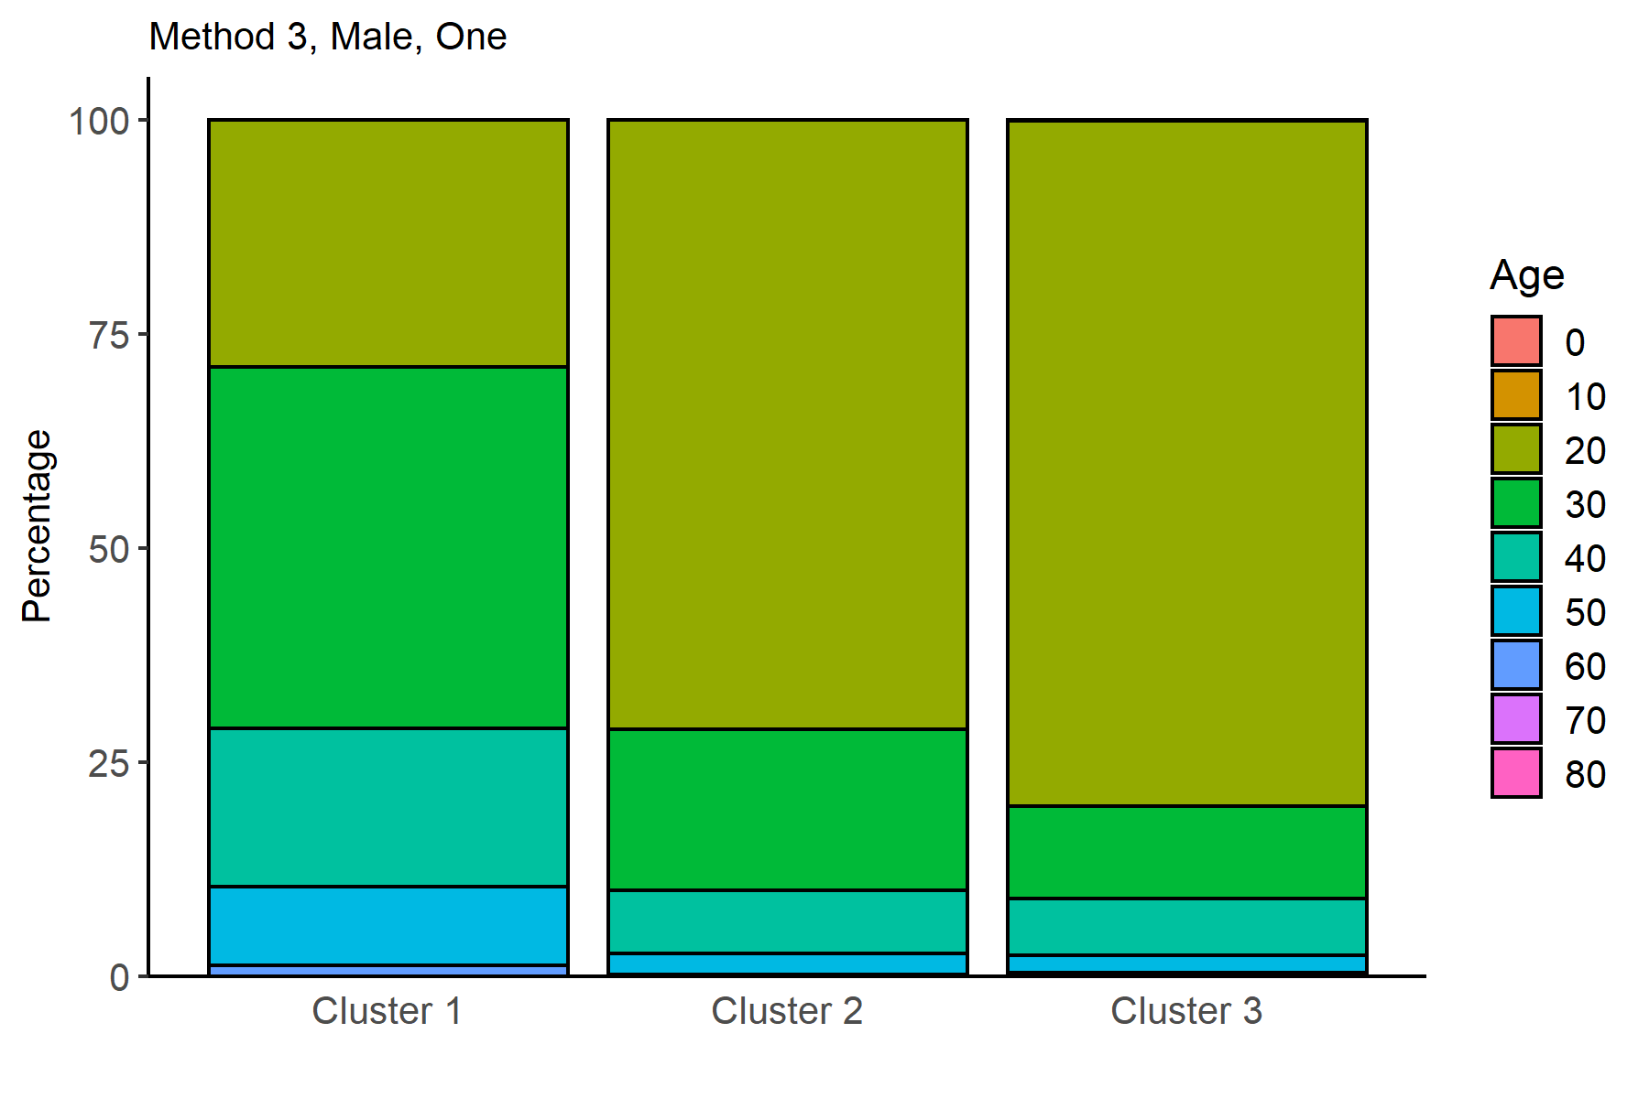
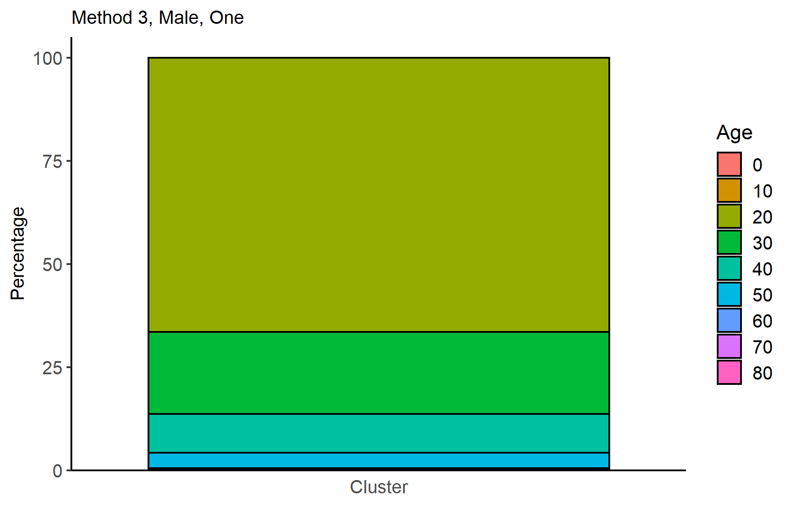
Age | Cluster 1 | Cluster 2 | Cluster 3 |  |  |  |  |  |  |  |  |  |  |  |  |  |  |  | Age | one
0 |  |  | 0.0067249495629 |  |  |  |  |  |  |  |  |  |  |  |  |  |  |  | 0 | 0.0033025099075
10 |  | 0.033768572715 | 0.073974445192 |  |  |  |  |  |  |  |  |  |  |  |  |  |  |  | 10 | 0.046235138705
20 | 28.899785473 | 71.13912652 | 80.033624748 |  |  |  |  |  |  |  |  |  |  |  |  |  |  |  | 20 | 66.403566711
30 | 42.154459087 | 18.764070239 | 10.880968393 |  |  |  |  |  |  |  |  |  |  |  |  |  |  |  | 30 | 19.933949802
40 | 18.49524977 | 7.4290859973 | 6.6039004707 |  |  |  |  |  |  |  |  |  |  |  |  |  |  |  | 40 | 9.4088507266
50 | 9.239963224 | 2.4538496173 | 2.0578345662 |  |  |  |  |  |  |  |  |  |  |  |  |  |  |  | 50 | 3.7219286658
60 | 1.1952191235 | 0.16884286357 | 0.30262273033 |  |  |  |  |  |  |  |  |  |  |  |  |  |  |  | 60 | 0.45574636724
70 | 0.015323322096 | 0.011256190905 | 0.033624747814 |  |  |  |  |  |  |  |  |  |  |  |  |  |  |  | 70 | 0.023117569353
80 |  |  | 0.0067249495629 |  |  |  |  |  |  |  |  |  |  |  |  |  |  |  | 80 | 0.0033025099075

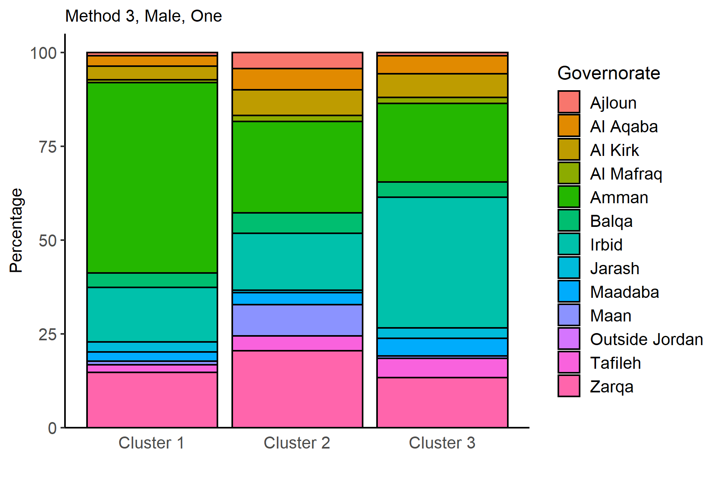
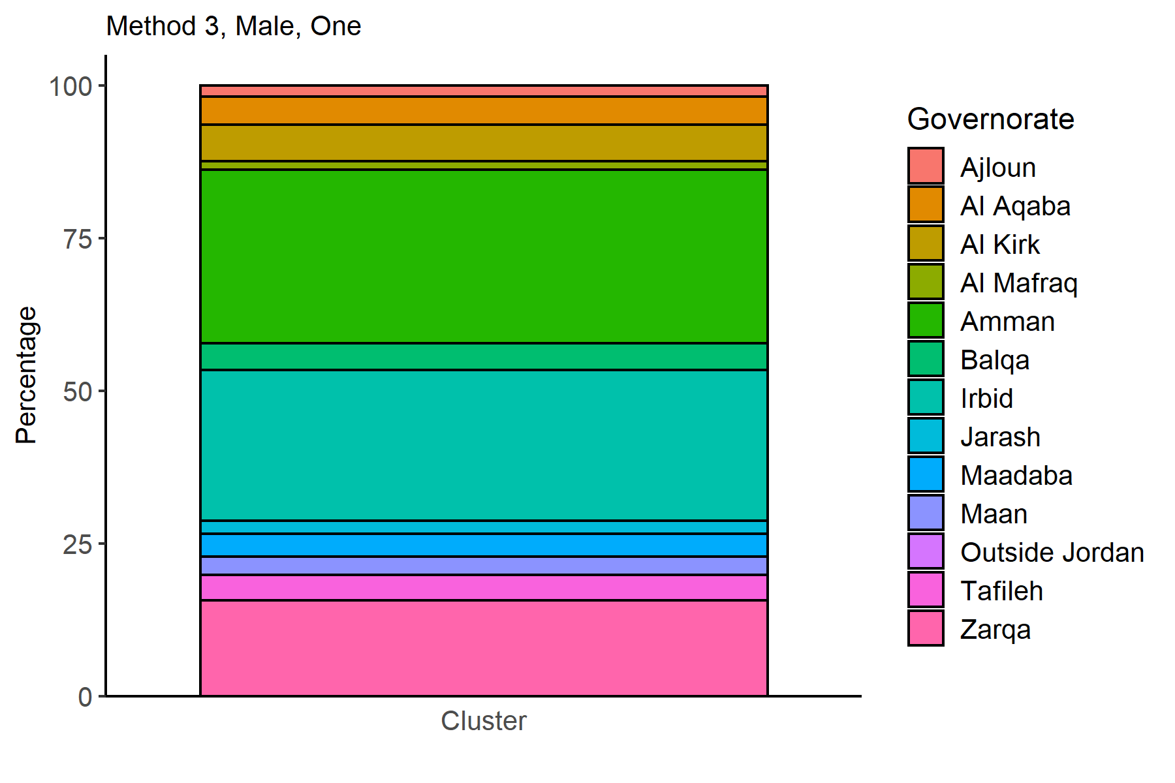
Governorate | Cluster 1 | Cluster 2 | Cluster 3 |  |  |  |  |  |  |  |  |  |  |  |  |  |  |  | Governorate | one
Ajloun | 0.84278271529 | 4.2998649257 | 0.84061869536 |  |  |  |  |  |  |  |  |  |  |  |  |  |  |  | Ajloun | 1.856010568
Al Aqaba | 2.7428746552 | 5.5943268798 | 4.8486886348 |  |  |  |  |  |  |  |  |  |  |  |  |  |  |  | Al Aqaba | 4.6136063408
Al Kirk | 3.662273981 | 6.9338135975 | 6.3349024882 |  |  |  |  |  |  |  |  |  |  |  |  |  |  |  | Al Kirk | 5.9346103038
Al Mafraq | 0.76616610481 | 1.5308419631 | 1.5736381977 |  |  |  |  |  |  |  |  |  |  |  |  |  |  |  | Al Mafraq | 1.3870541612
Amman | 50.766166105 | 24.3809095 | 20.934767989 |  |  |  |  |  |  |  |  |  |  |  |  |  |  |  | Amman | 28.375165125
Balqa | 3.8921238124 | 5.5042773525 | 4.0954942838 |  |  |  |  |  |  |  |  |  |  |  |  |  |  |  | Balqa | 4.464993395
Irbid | 14.541832669 | 15.139576767 | 34.781439139 |  |  |  |  |  |  |  |  |  |  |  |  |  |  |  | Irbid | 24.65653897
Jarash | 2.6356114006 | 0.6753714543 | 2.831203766 |  |  |  |  |  |  |  |  |  |  |  |  |  |  |  | Jarash | 2.1565389696
Maadaba | 2.4210848912 | 3.1517334534 | 4.6805648958 |  |  |  |  |  |  |  |  |  |  |  |  |  |  |  | Maadaba | 3.7450462351
Maan | 0.98069261416 | 8.3633498424 | 0.6523201076 |  |  |  |  |  |  |  |  |  |  |  |  |  |  |  | Maan | 2.9854689564
Outside Jordan | 0.015323322096 | 0.011256190905 | 0.013449899126 |  |  |  |  |  |  |  |  |  |  |  |  |  |  |  | Outside Jordan | 0.01321003963
Tafileh | 2.0380018388 | 3.9284106258 | 5.137861466 |  |  |  |  |  |  |  |  |  |  |  |  |  |  |  | Tafileh | 4.1149273448
Zarqa | 14.69506589 | 20.486267447 | 13.275050437 |  |  |  |  |  |  |  |  |  |  |  |  |  |  |  | Zarqa | 15.69682959

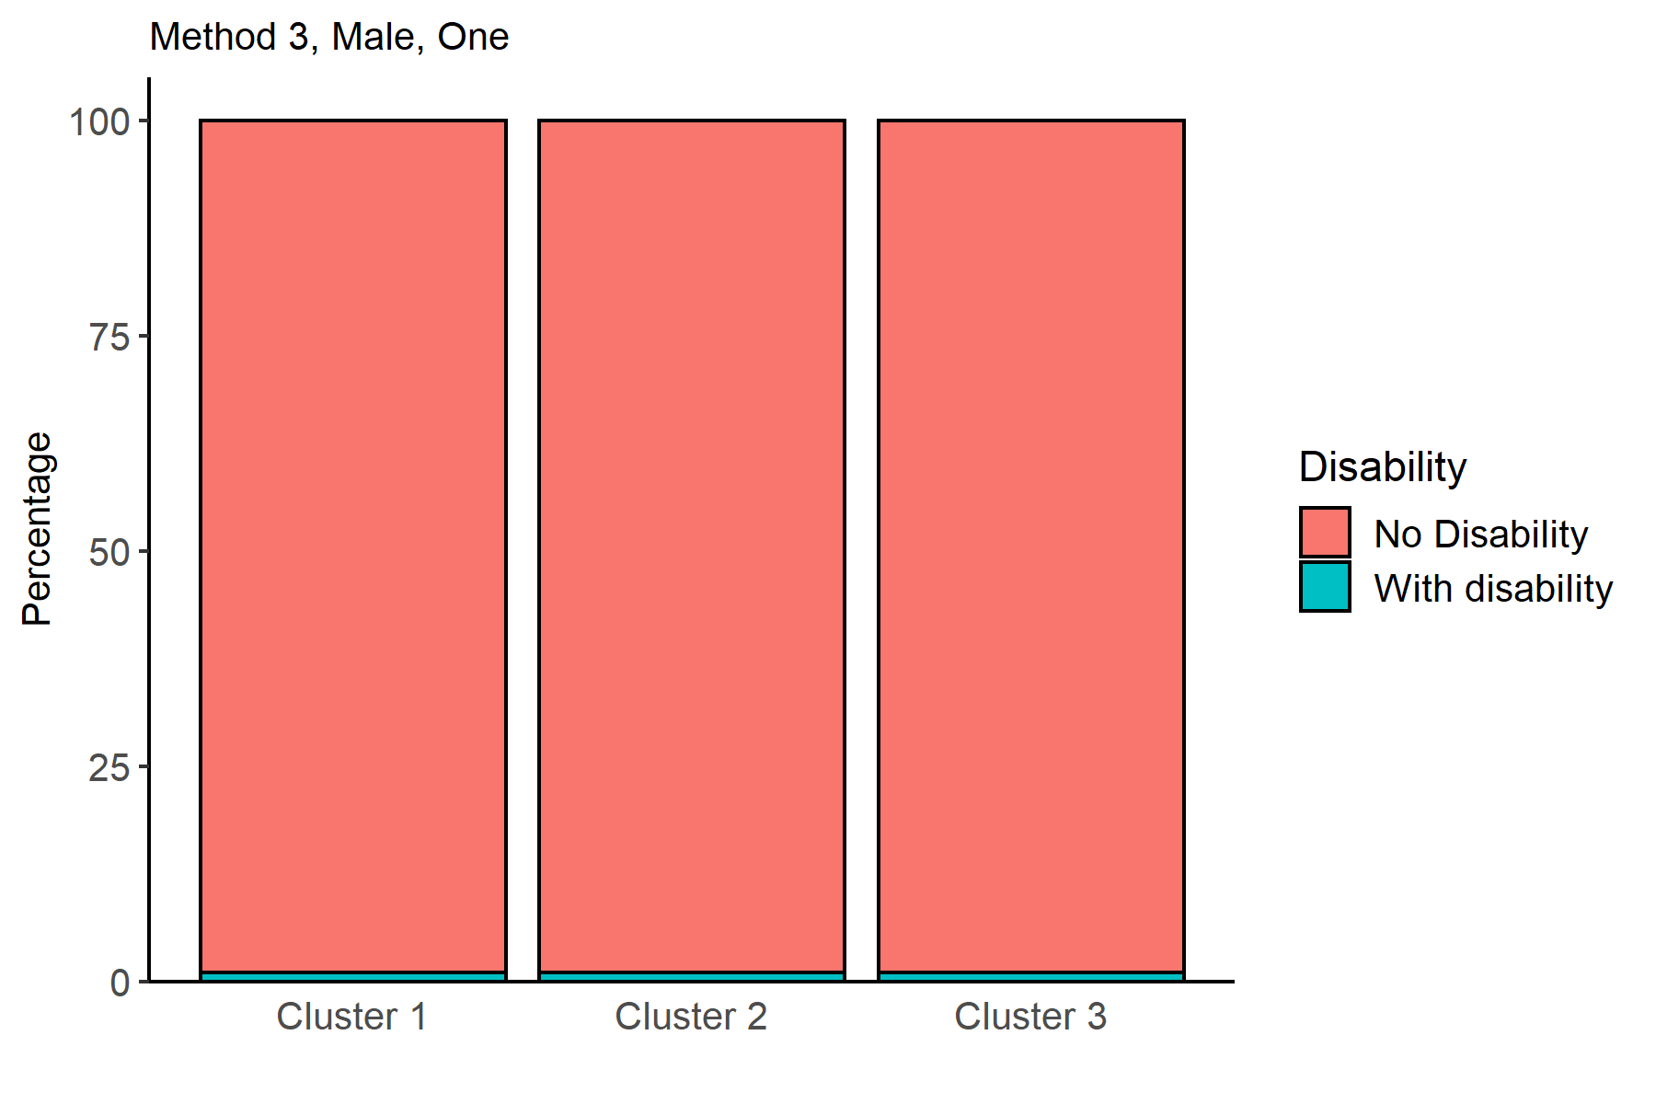
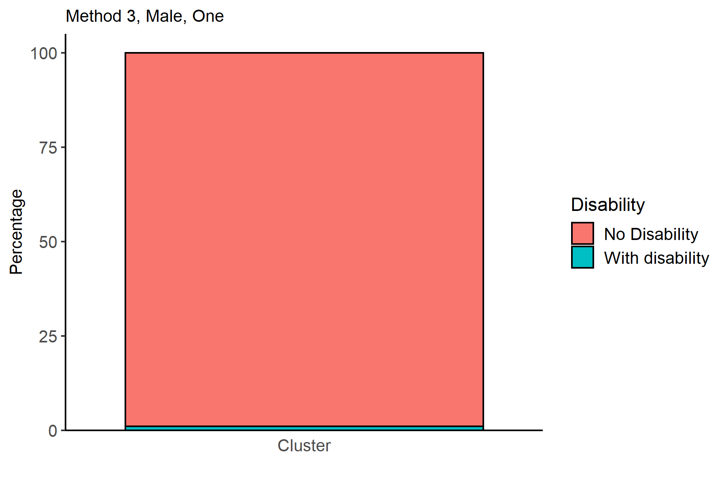
Disability | Cluster 1 | Cluster 2 | Cluster 3 |  |  |  |  |  |  |  |  |  |  |  |  |  |  |  | Disability | one
No Disability | 98.97333742 | 98.986942819 | 98.991257566 |  |  |  |  |  |  |  |  |  |  |  |  |  |  |  | No Disability | 98.986129458
With disability | 1.0266625804 | 1.0130571814 | 1.0087424344 |  |  |  |  |  |  |  |  |  |  |  |  |  |  |  | With disability | 1.0138705416

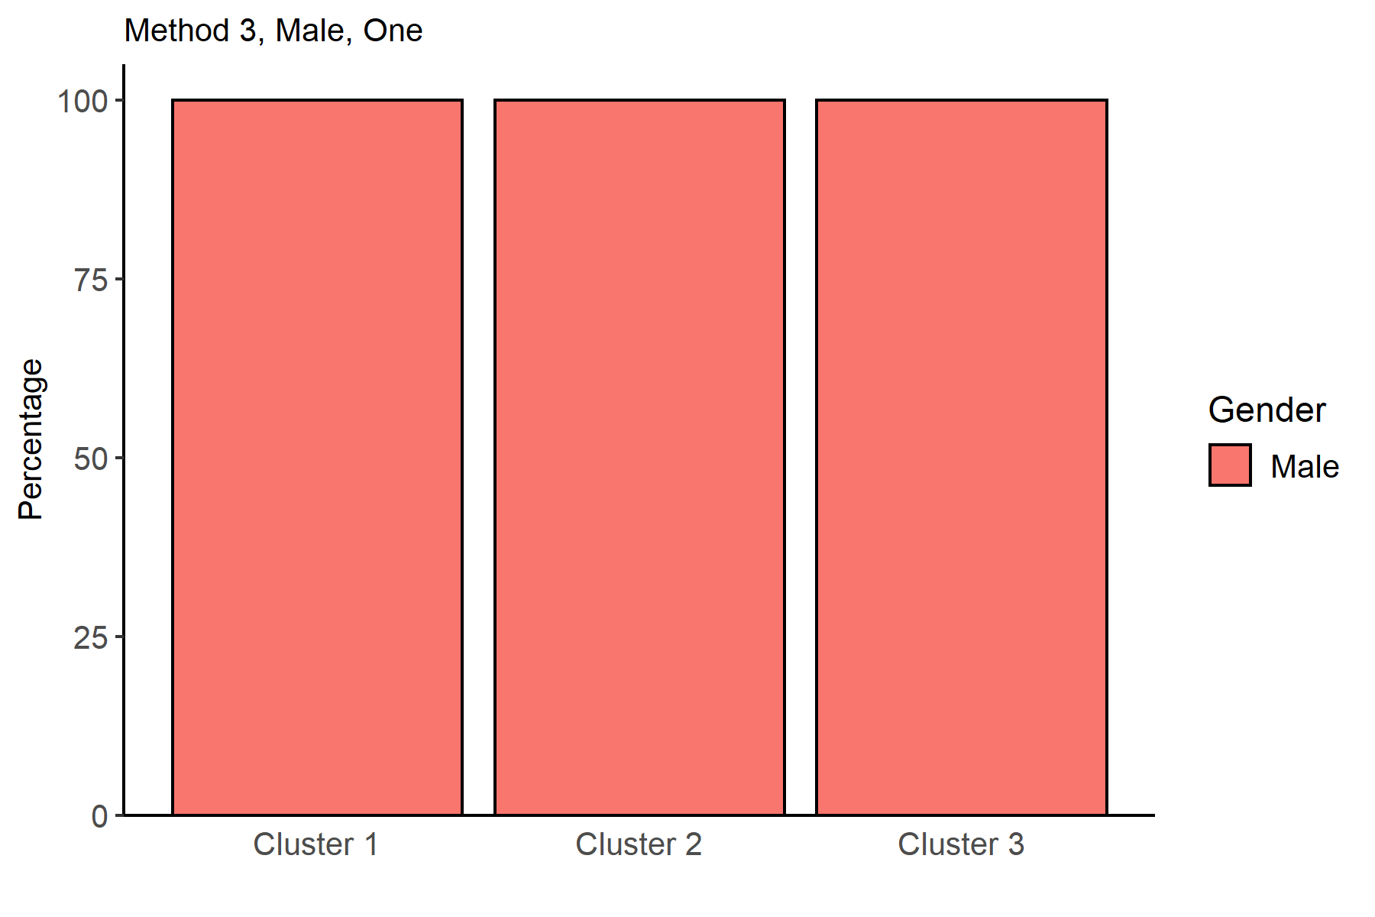
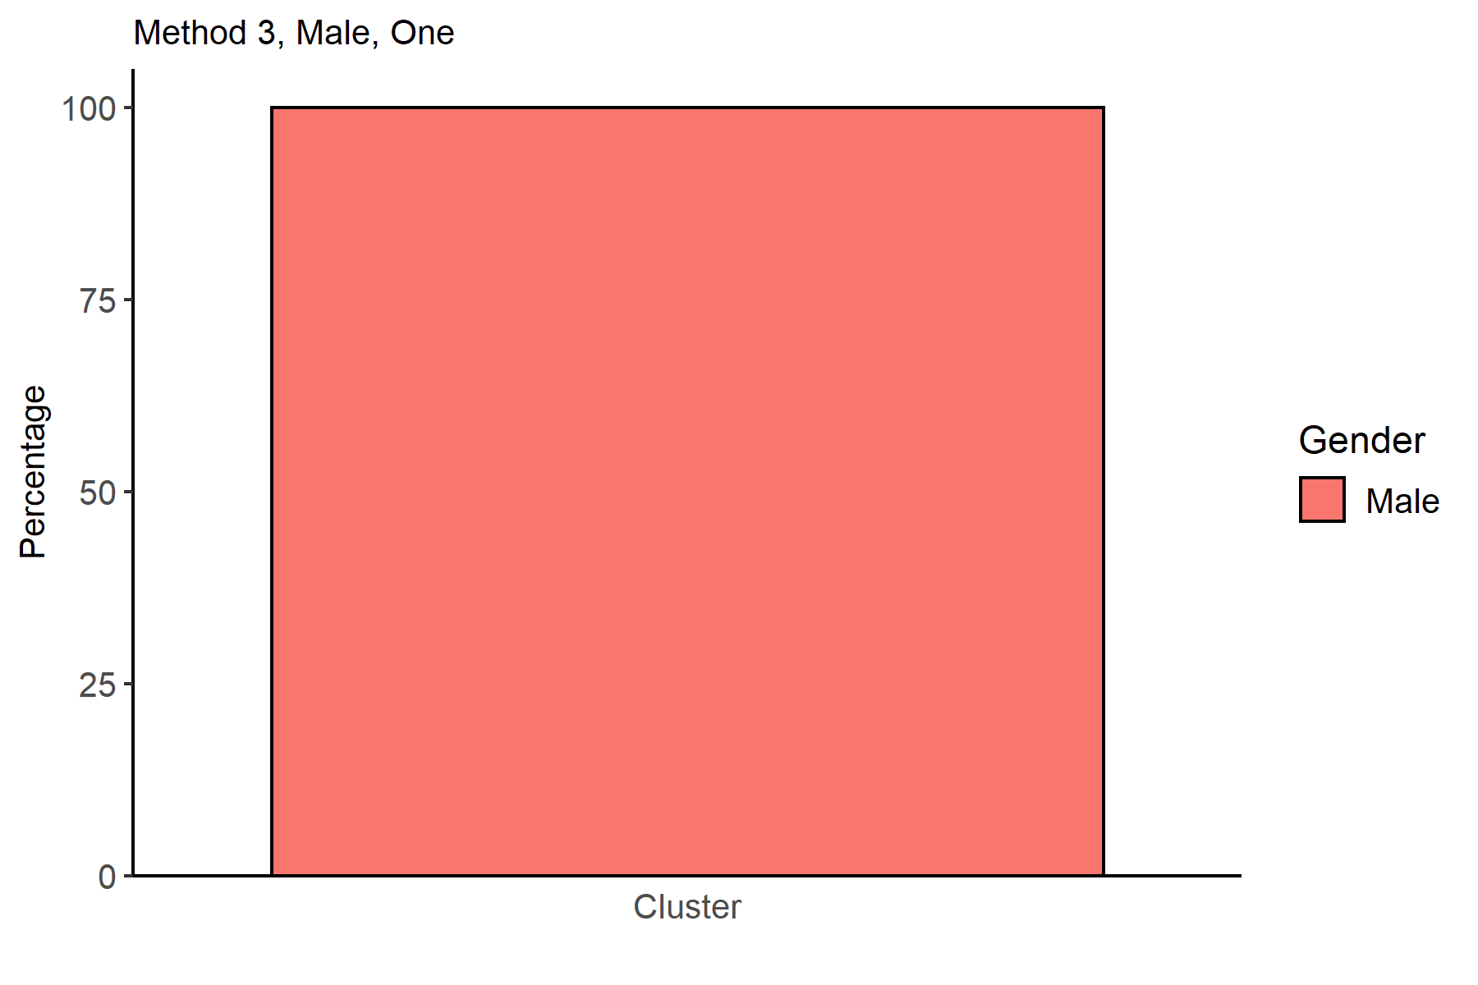
Gender | Cluster 1 | Cluster 2 | Cluster 3 |  |  |  |  |  |  |  |  |  |  |  |  |  |  |  | Gender | one
Male | 100 | 100 | 100 |  |  |  |  |  |  |  |  |  |  |  |  |  |  |  | Male | 100

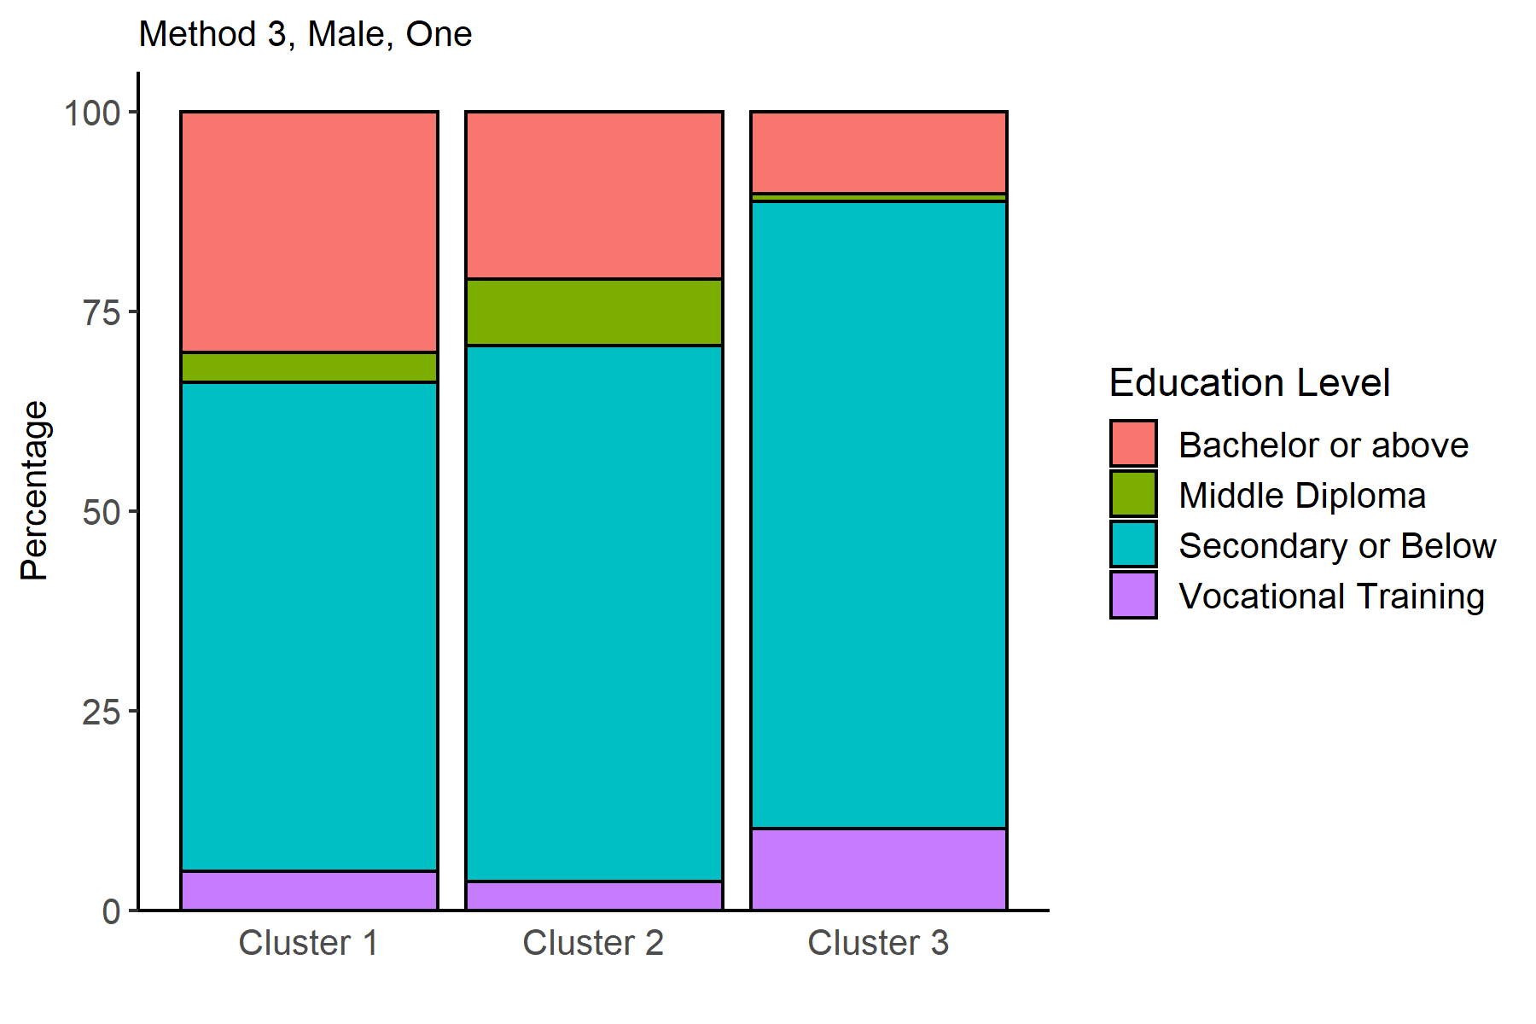
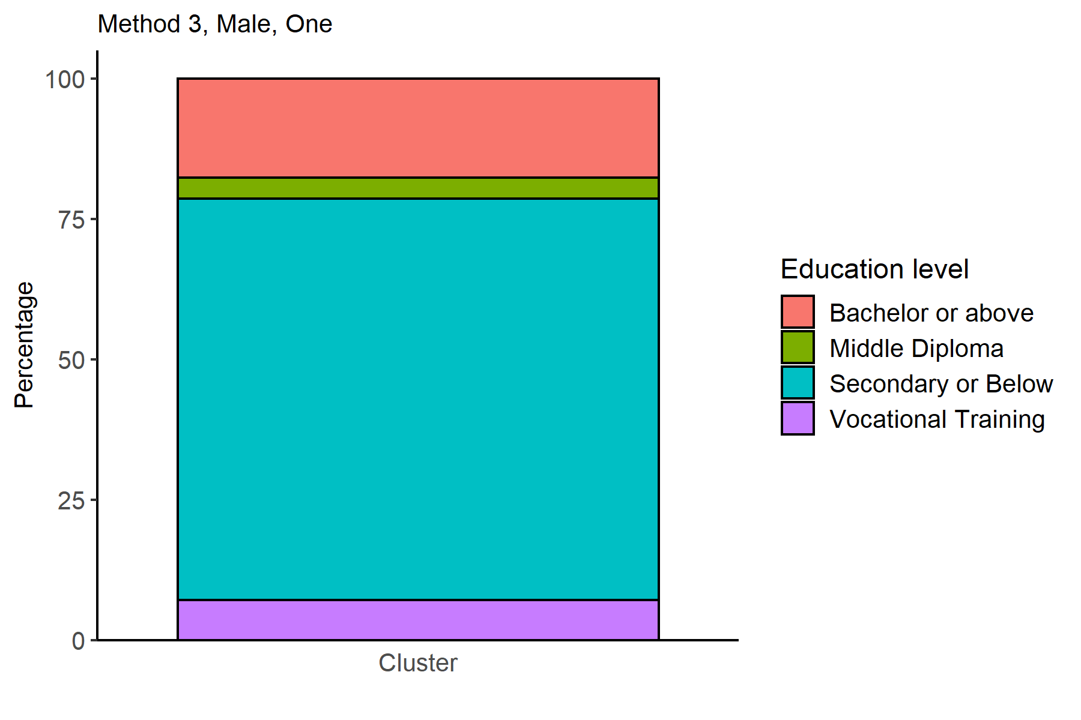
EducationLevel | Cluster 1 | Cluster 2 | Cluster 3 |  |  |  |  |  |  |  |  |  |  |  |  |  |  |  | EducationLevel | one
Bachelor or above | 30.156297885 | 20.914002701 | 10.295897781 |  |  |  |  |  |  |  |  |  |  |  |  |  |  |  | Bachelor or above | 17.691545575
Middle Diploma | 3.6929206252 | 8.3746060333 | 0.96839273705 |  |  |  |  |  |  |  |  |  |  |  |  |  |  |  | Middle Diploma | 3.7285336856
Secondary or Below | 61.231995097 | 67.109410176 | 78.513786147 |  |  |  |  |  |  |  |  |  |  |  |  |  |  |  | Secondary or Below | 71.44319683
Vocational Training | 4.9187863929 | 3.6019810896 | 10.221923336 |  |  |  |  |  |  |  |  |  |  |  |  |  |  |  | Vocational Training | 7.1367239102

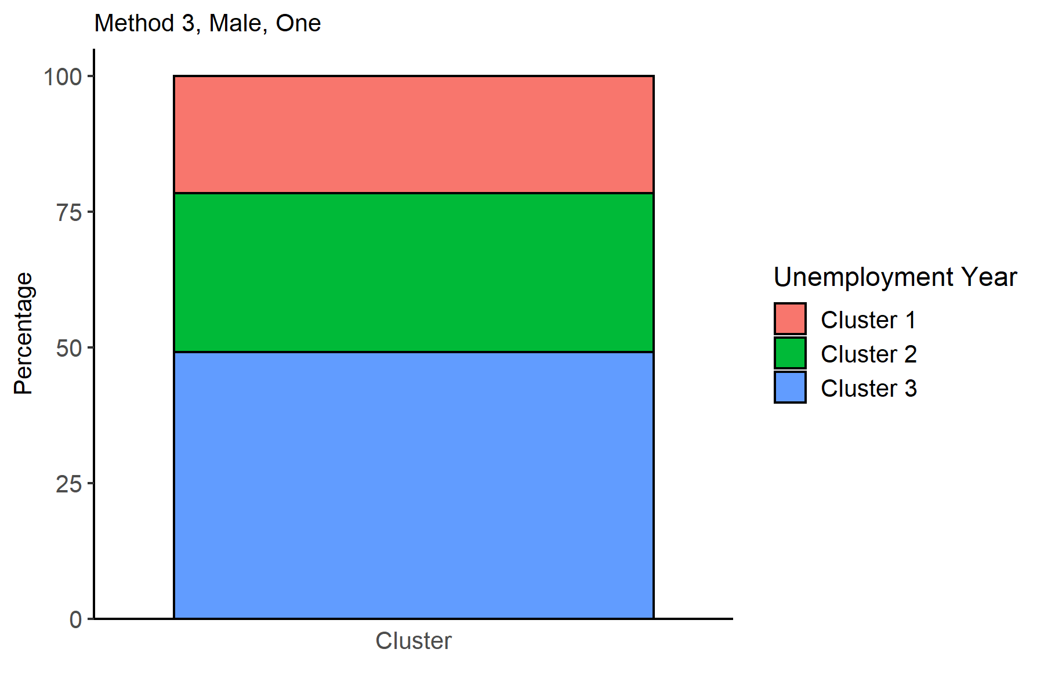
 |  |  |  |  |  |  |  |  |  |  |  |  |  |  |  |  |  |  | NameCluster | one
 |  |  |  |  |  |  |  |  |  |  |  |  |  |  |  |  |  |  | Cluster 1 | 21.552179657
 |  |  |  |  |  |  |  |  |  |  |  |  |  |  |  |  |  |  | Cluster 2 | 29.339498018
 |  |  |  |  |  |  |  |  |  |  |  |  |  |  |  |  |  |  | Cluster 3 | 49.108322325

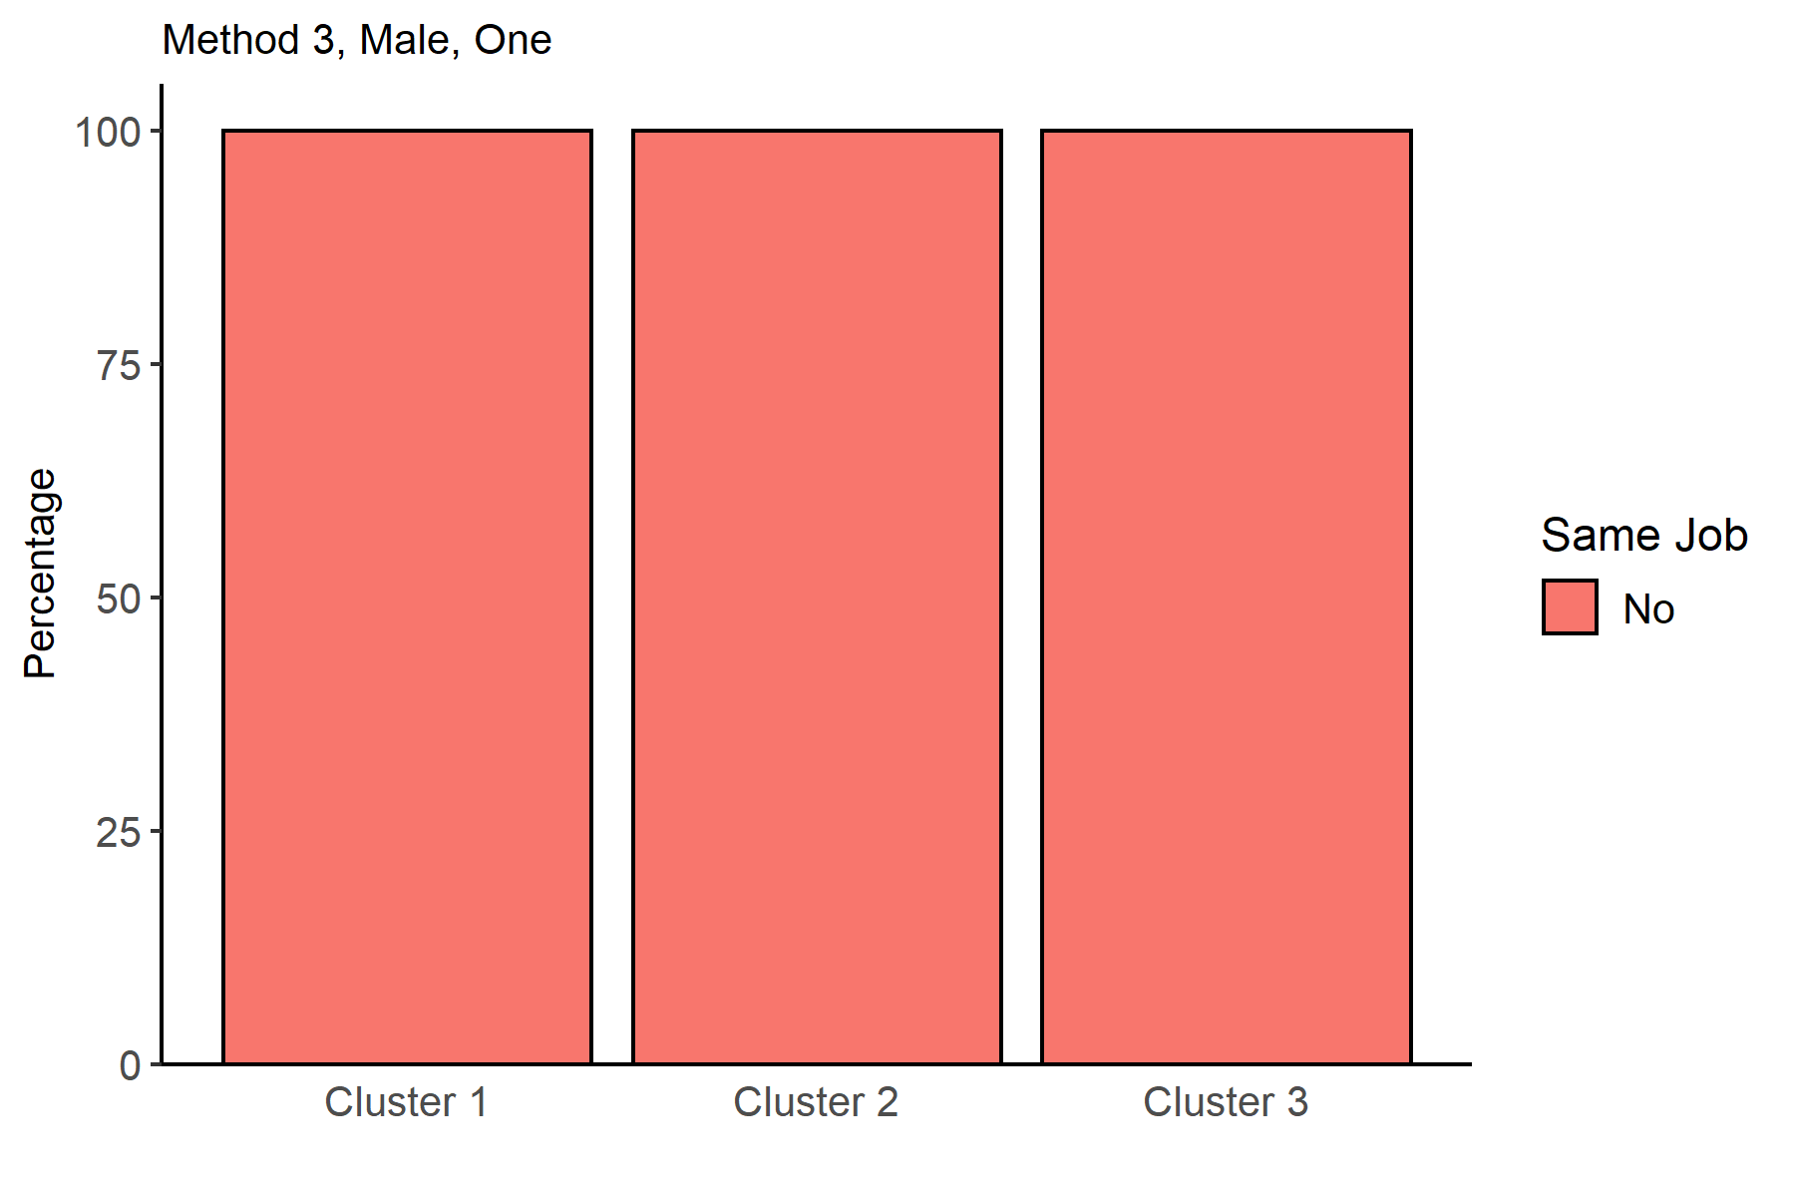
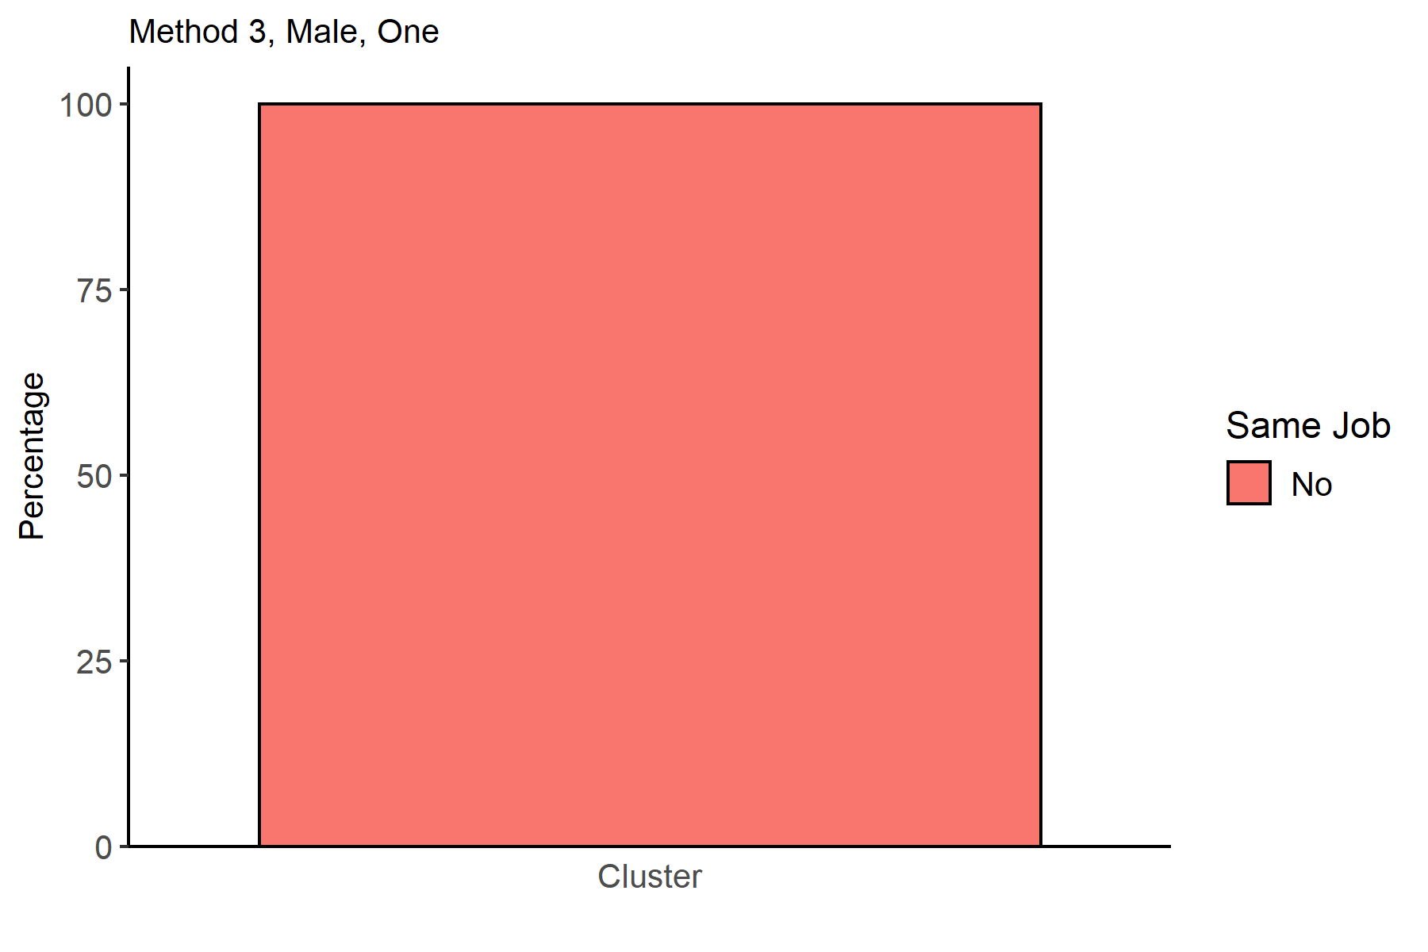
SameJob | Cluster 1 | Cluster 2 | Cluster 3 |  |  |  |  |  |  |  |  |  |  |  |  |  |  |  | SameJob | one
No | 100 | 100 | 100 |  |  |  |  |  |  |  |  |  |  |  |  |  |  |  | No | 100

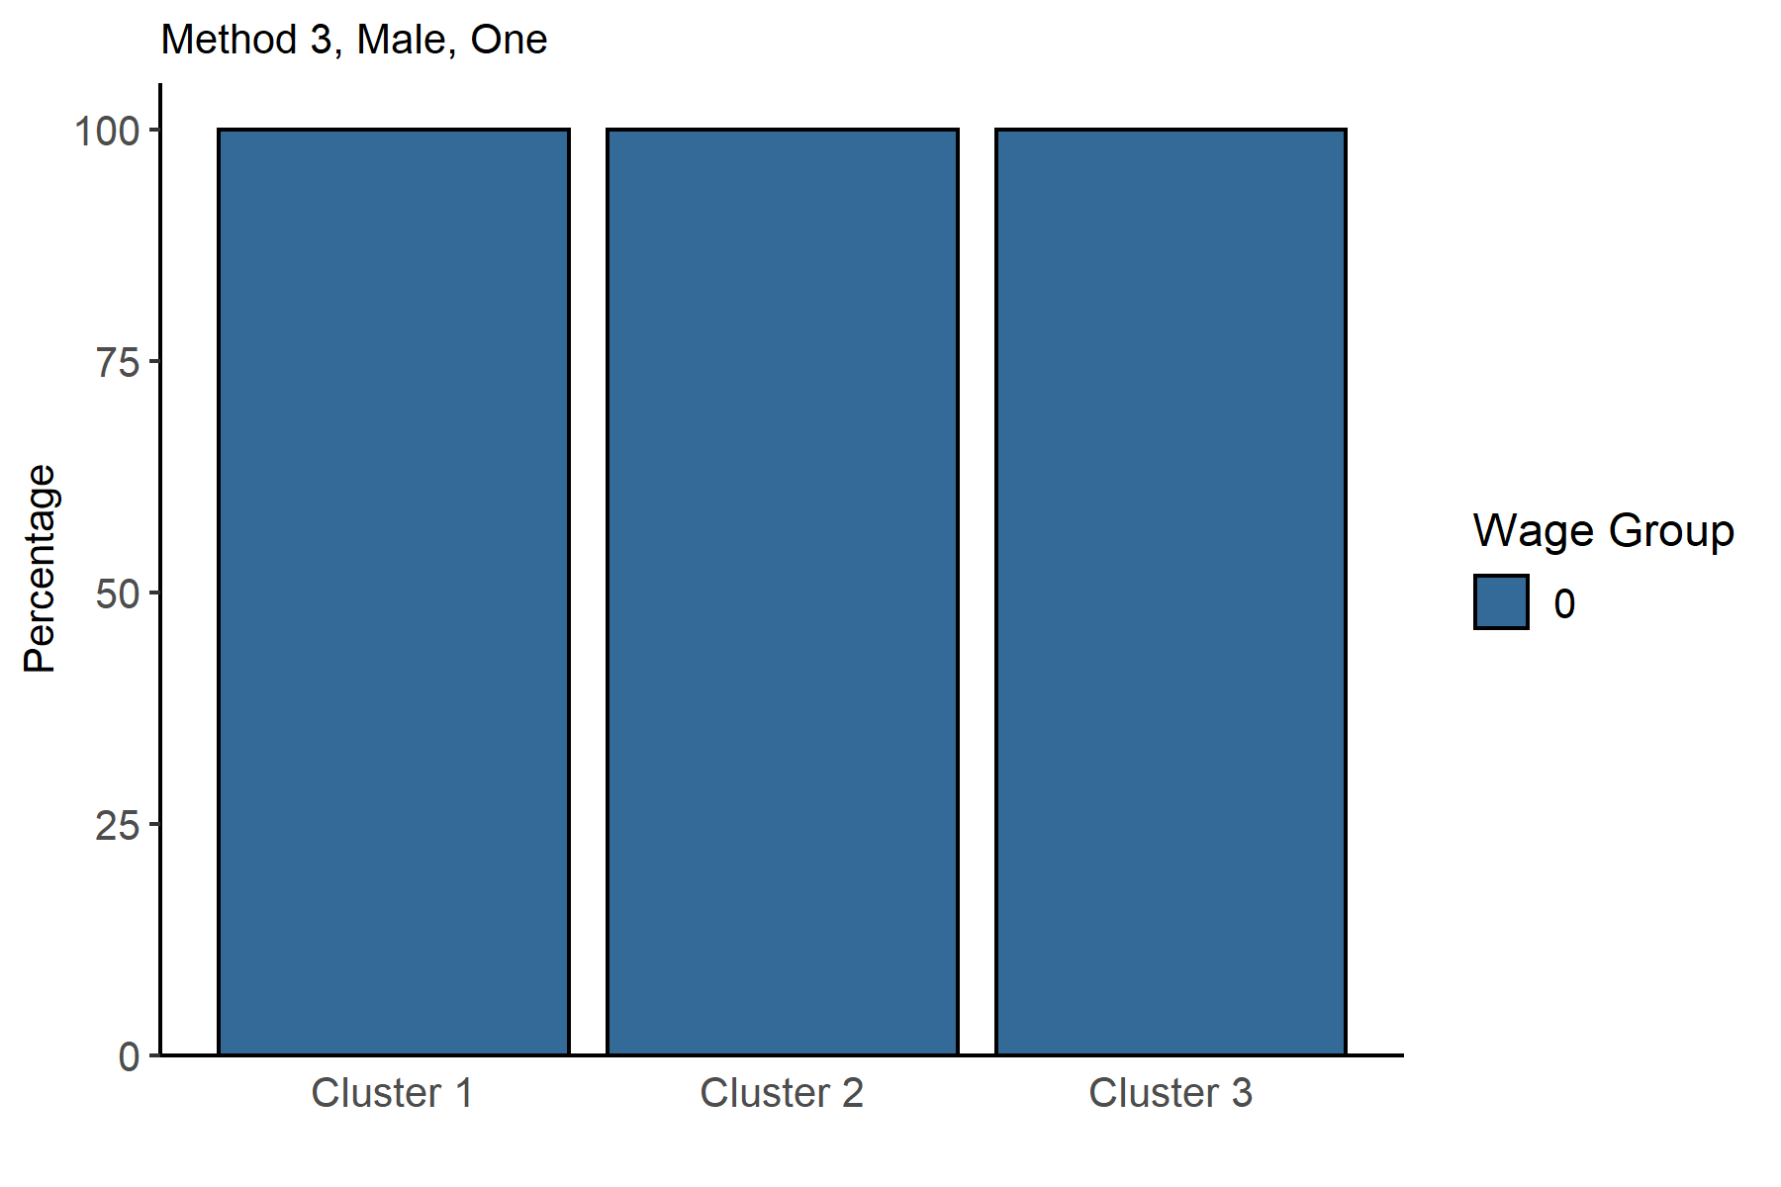
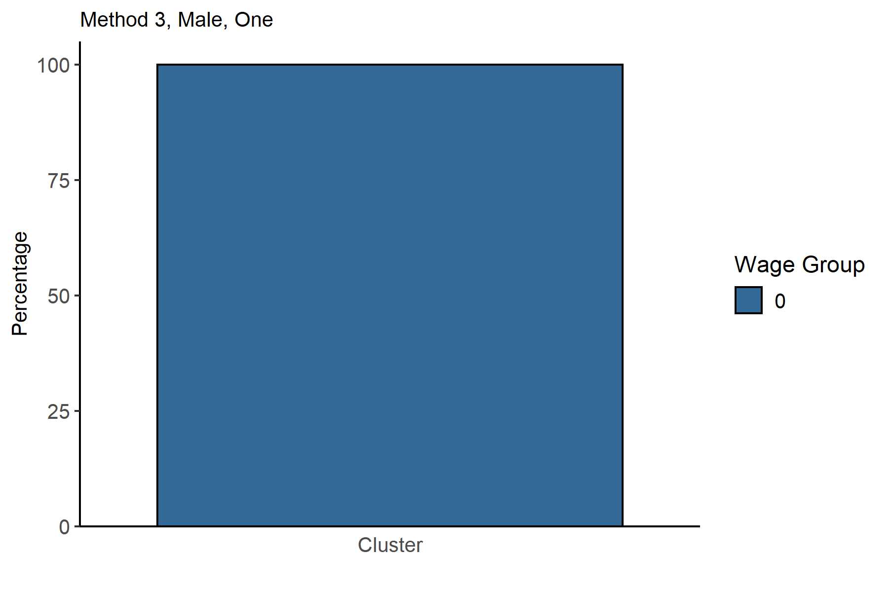
WageGroup | Cluster 1 | Cluster 2 | Cluster 3 |  |  |  |  |  |  |  |  |  |  |  |  |  |  |  | WageGroup | one
0 | 100 | 100 | 100 |  |  |  |  |  |  |  |  |  |  |  |  |  |  |  | 0 | 100

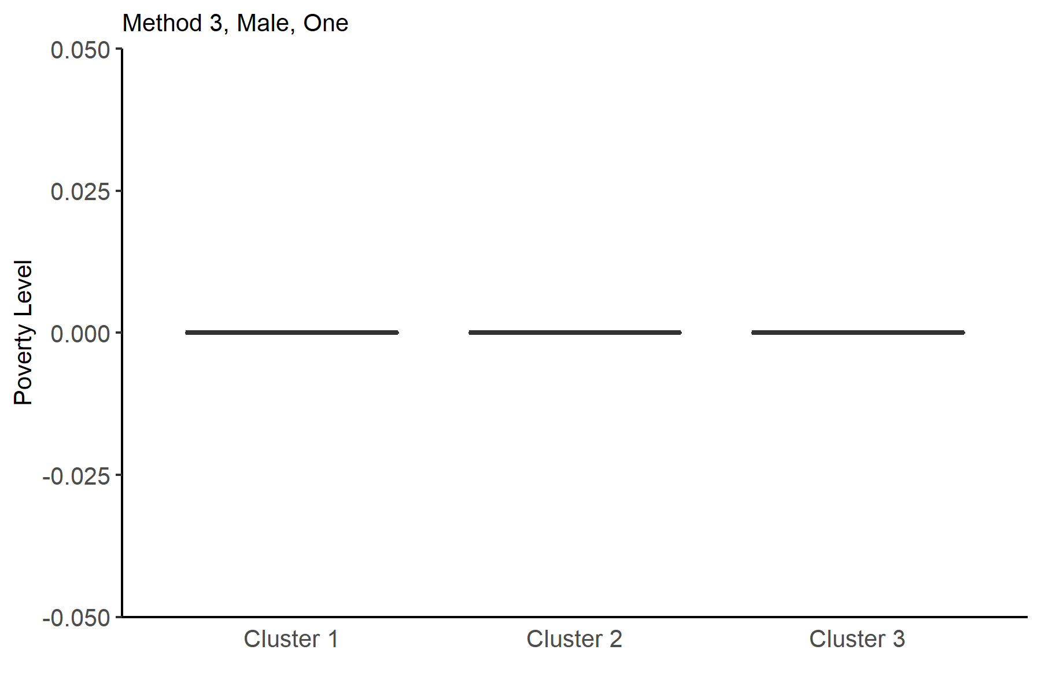
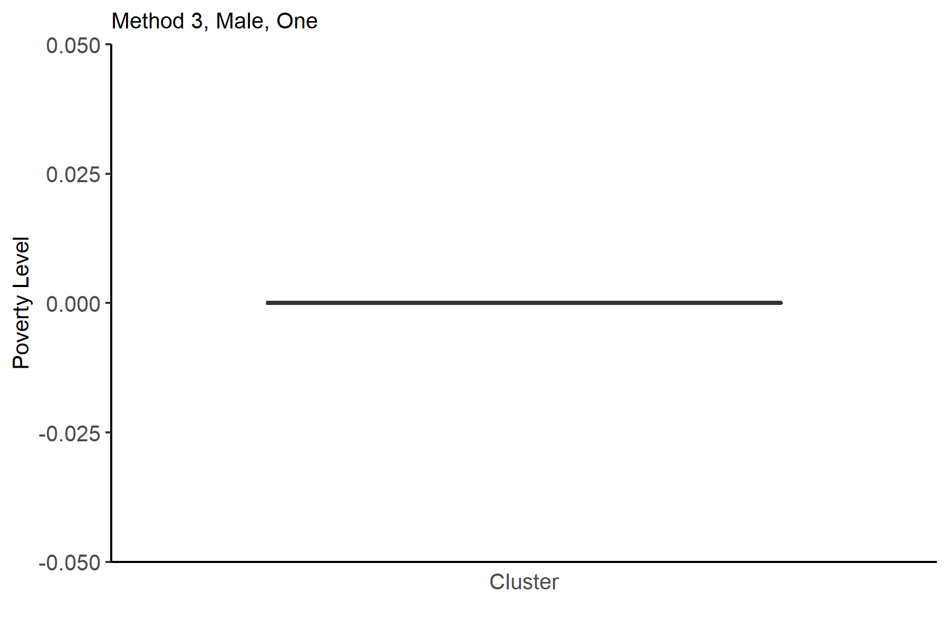
Var1 | Var2 | Freq |  |  |  |  |  |  |  |  |  |  |  |  |  |  |  |  | Var1 | Var2 | Freq
Cluster 1 | 0 | 6526 |  |  |  |  |  |  |  |  |  |  |  |  |  |  |  |  | Cluster | 0 | 30280
Cluster 2 | 0 | 8884
Cluster 3 | 0 | 14870

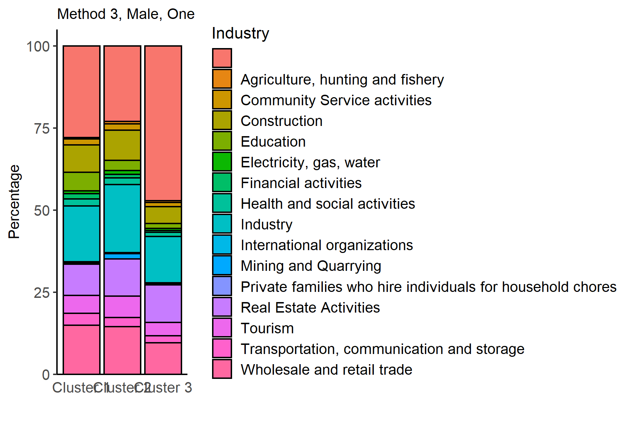
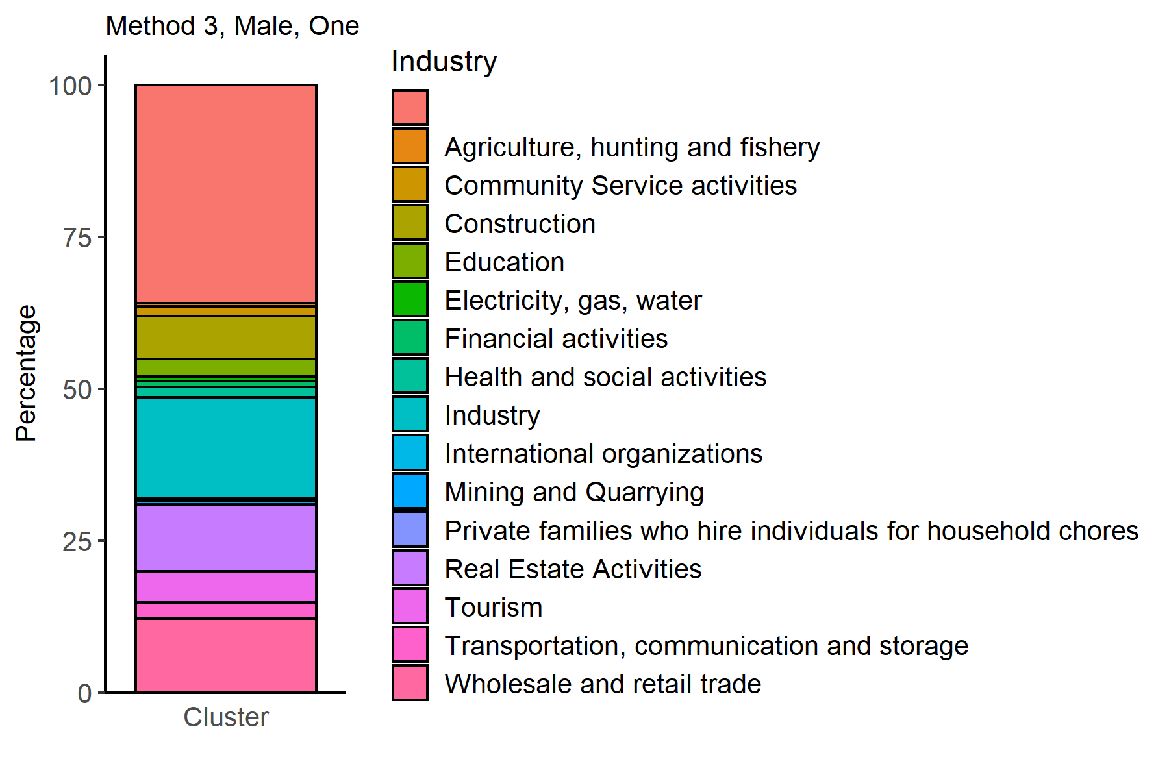
Industry | Cluster 1 | Cluster 2 | Cluster 3 |  |  |  |  |  |  |  |  |  |  |  |  |  |  |  | Unity | Industry | one
 | 27.873122893 | 23.00765421 | 47.148621385 |  |  |  |  |  |  |  |  |  |  |  |  |  |  |  | Cluster |  | 35.911492734
Agriculture, hunting and fishery | 0.4137296966 | 0.70914002701 | 0.51782111634 |  |  |  |  |  |  |  |  |  |  |  |  |  |  |  | Cluster | Agriculture, hunting and fishery | 0.55151915456
Community Service activities | 1.8694452957 | 1.9360648357 | 1.23066577 |  |  |  |  |  |  |  |  |  |  |  |  |  |  |  | Cluster | Community Service activities | 1.5752972259
Construction | 8.274593932 | 9.241332733 | 5.137861466 |  |  |  |  |  |  |  |  |  |  |  |  |  |  |  | Cluster | Construction | 7.0178335535
Education | 5.7155991419 | 3.0504277353 | 1.5601882986 |  |  |  |  |  |  |  |  |  |  |  |  |  |  |  | Cluster | Education | 2.892998679
Electricity, gas, water | 0.8274593932 | 1.2156686177 | 0.61869535978 |  |  |  |  |  |  |  |  |  |  |  |  |  |  |  | Cluster | Electricity, gas, water | 0.83883751651
Financial activities | 1.6089488201 | 1.0018009905 | 0.48419636853 |  |  |  |  |  |  |  |  |  |  |  |  |  |  |  | Cluster | Financial activities | 0.8784676354
Health and social activities | 2.1452650935 | 2.0373705538 | 1.3584398117 |  |  |  |  |  |  |  |  |  |  |  |  |  |  |  | Cluster | Health and social activities | 1.7272126816
Industry | 17.039534171 | 20.76767222 | 14.082044385 |  |  |  |  |  |  |  |  |  |  |  |  |  |  |  | Cluster | Industry | 16.680977543
International organizations | 0.27581979773 | 0.30391715443 | 0.36987222596 |  |  |  |  |  |  |  |  |  |  |  |  |  |  |  | Cluster | International organizations | 0.33025099075
Mining and Quarrying | 0.3984063745 | 1.5533543449 | 0.26899798252 |  |  |  |  |  |  |  |  |  |  |  |  |  |  |  | Cluster | Mining and Quarrying | 0.67371202114
Private families who hire individuals for household chores | 0.030646644192 | 0.033768572715 | 0.040349697377 |  |  |  |  |  |  |  |  |  |  |  |  |  |  |  | Cluster | Private families who hire individuals for household chores | 0.036327608983
Real Estate Activities | 9.5311063439 | 11.32372805 | 11.365164761 |  |  |  |  |  |  |  |  |  |  |  |  |  |  |  | Cluster | Real Estate Activities | 10.957727873
Tourism | 5.4244560221 | 6.5736154885 | 4.1291190316 |  |  |  |  |  |  |  |  |  |  |  |  |  |  |  | Cluster | Tourism | 5.1254953765
Transportation, communication and storage | 3.6316273368 | 2.7690229626 | 2.1452589106 |  |  |  |  |  |  |  |  |  |  |  |  |  |  |  | Cluster | Transportation, communication and storage | 2.6486129458
Wholesale and retail trade | 14.940239044 | 14.475461504 | 9.5427034297 |  |  |  |  |  |  |  |  |  |  |  |  |  |  |  | Cluster | Wholesale and retail trade | 12.15323646

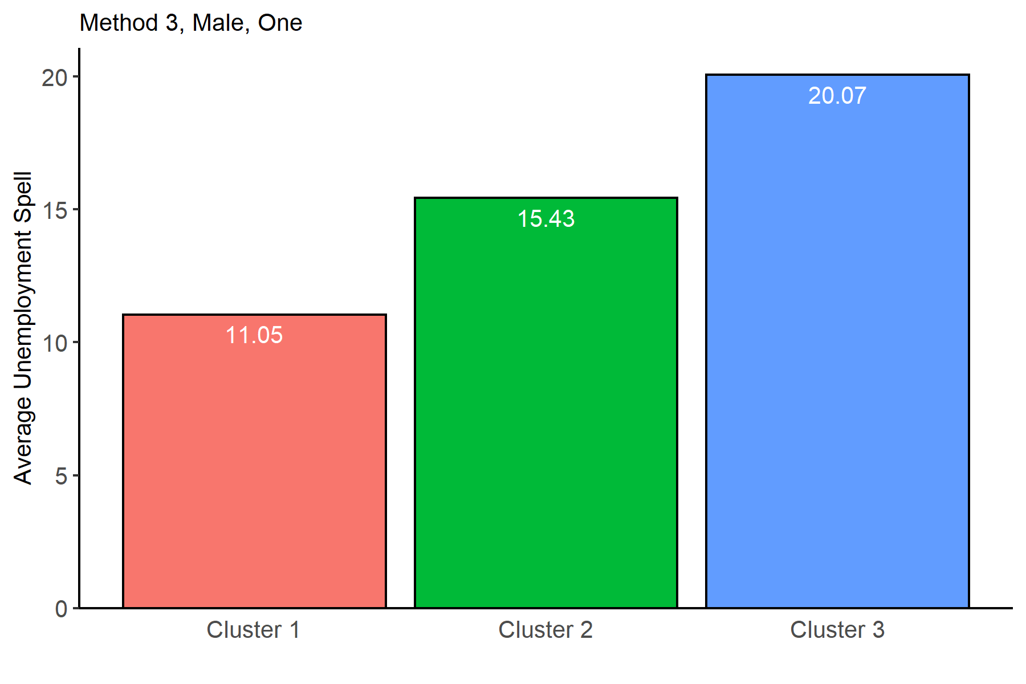
Cluster 1 | Cluster 2 | Cluster 3
11.05 | 15.43 | 20.07

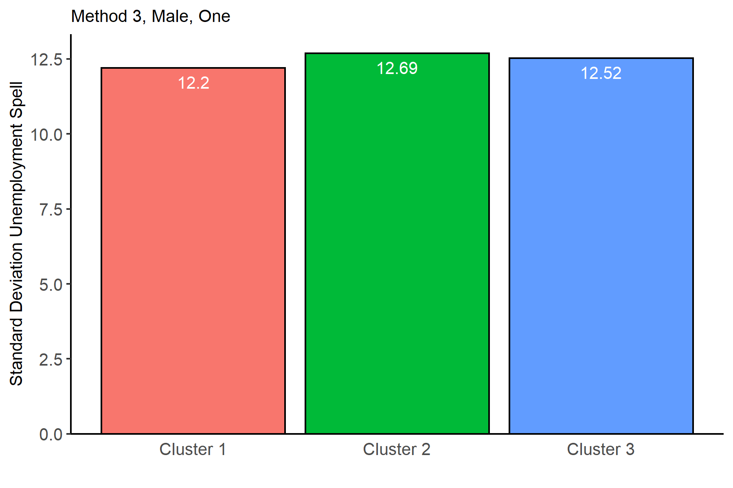
Cluster 1 | Cluster 2 | Cluster 3
12.2 | 12.69 | 12.52

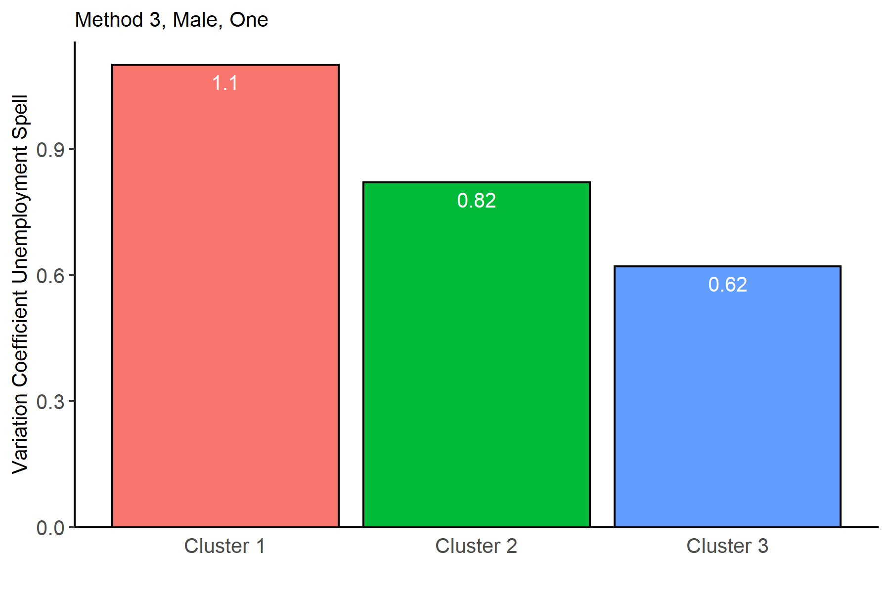
Cluster 1 | Cluster 2 | Cluster 3
1.1 | 0.82 | 0.62

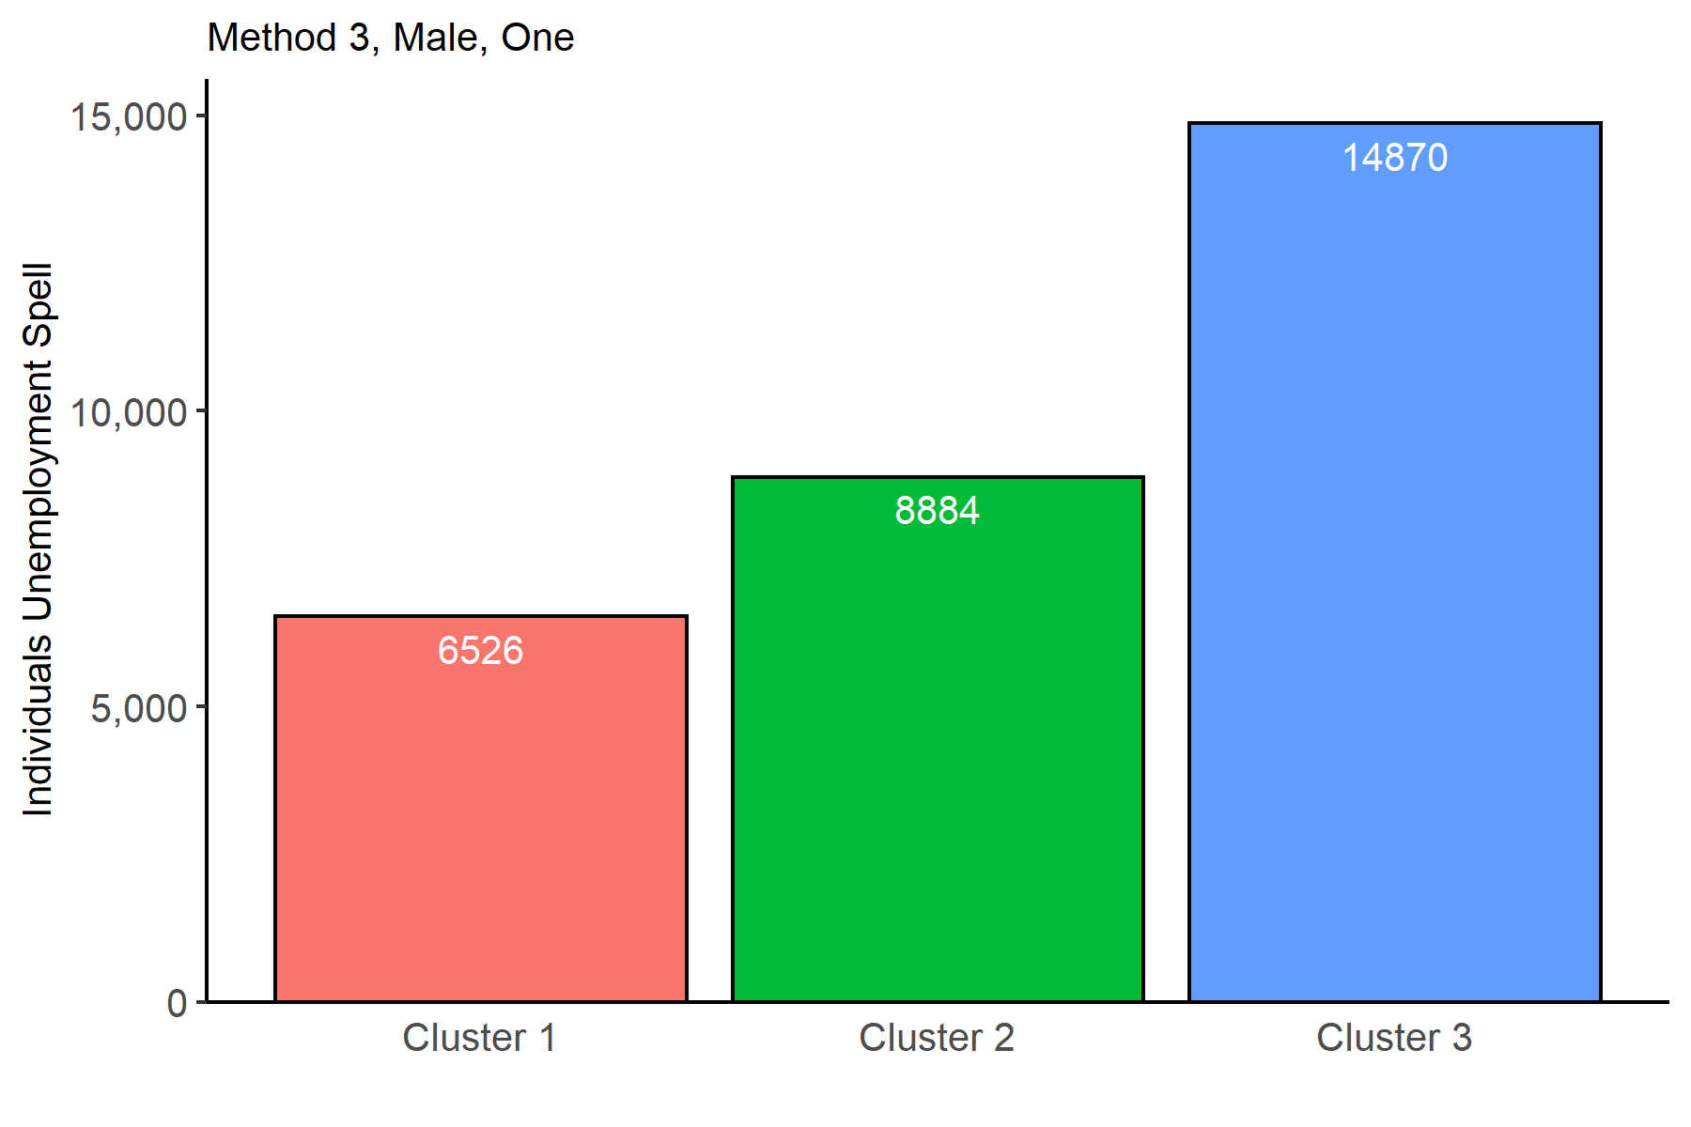
Cluster 1 | Cluster 2 | Cluster 3
6526 | 8884 | 14870

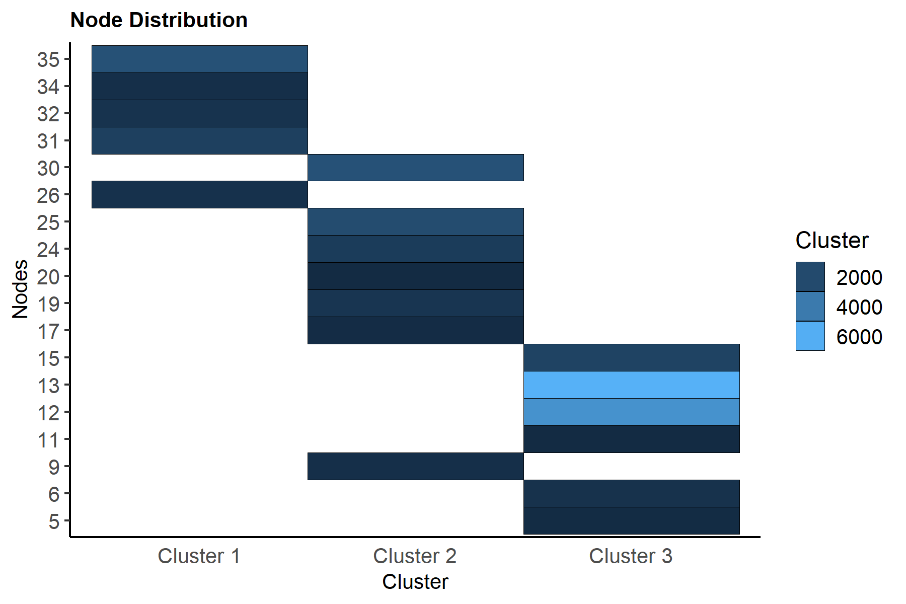
NameCluster | node | one
Cluster 1 | 26 | 900
Cluster 1 | 31 | 1563
Cluster 1 | 32 | 980
Cluster 1 | 34 | 797
Cluster 1 | 35 | 2286
Cluster 2 | 9 | 789
Cluster 2 | 17 | 661
Cluster 2 | 19 | 1067
Cluster 2 | 20 | 596
Cluster 2 | 24 | 1368
Cluster 2 | 25 | 2082
Cluster 2 | 30 | 2321
Cluster 3 | 5 | 631
Cluster 3 | 6 | 926
Cluster 3 | 11 | 598
Cluster 3 | 12 | 4926
Cluster 3 | 13 | 6114
Cluster 3 | 15 | 1675

Method 3, Female, One
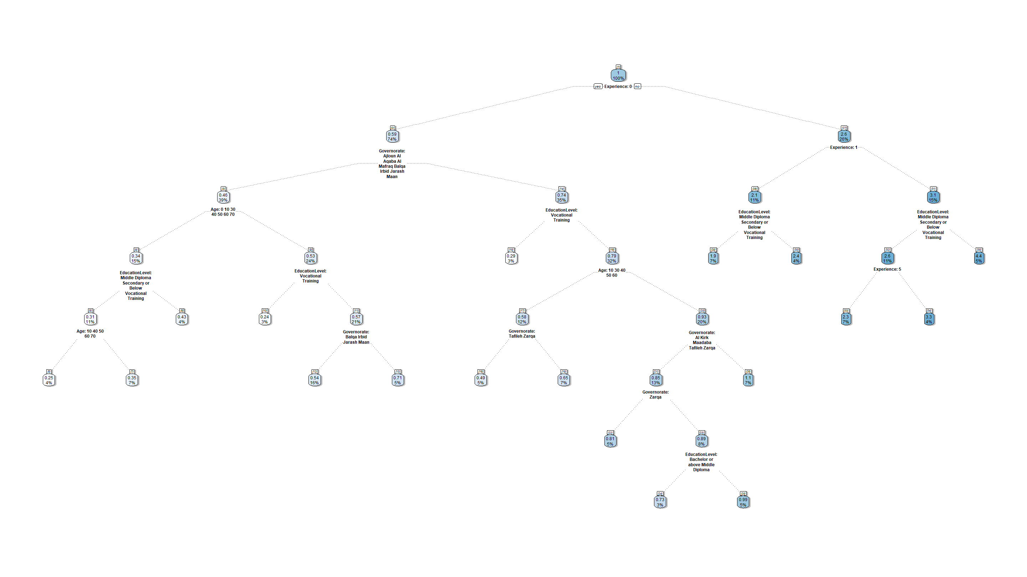
n | Cluster | cover
10 | 3 | 3% | when | Experience | is | 0 | & | EducationLevel | is | Vocational Training | & | Governorate | is | Ajloun or Al Aqaba or Al Mafraq or Balqa or Irbid or Jarash or Maan | & | Age | is | 20
13 | 2 | 5% | when | Experience | is | 0 | & | EducationLevel | is | Bachelor or above or Middle Diploma or Secondary or Below | & | Governorate | is | Ajloun or Al Aqaba or Al Mafraq | & | Age | is | 20
15 | 3 | 3% | when | Experience | is | 0 | & | EducationLevel | is | Vocational Training | & | Governorate | is | Al Kirk or Amman or Maadaba or Tafileh or Zarqa
18 | 2 | 5% | when | Experience | is | 0 | & | EducationLevel | is | Bachelor or above or Middle Diploma or Secondary or Below | & | Governorate | is | Tafileh or Zarqa | & | Age | is | 10 or 30 or 40 or 50 or 60
19 | 2 | 7% | when | Experience | is | 0 | & | EducationLevel | is | Bachelor or above or Middle Diploma or Secondary or Below | & | Governorate | is | Al Kirk or Amman or Maadaba | & | Age | is | 10 or 30 or 40 or 50 or 60
22 | 2 | 5% | when | Experience | is | 0 | & | EducationLevel | is | Bachelor or above or Middle Diploma or Secondary or Below | & | Governorate | is | Zarqa | & | Age | is | 20
24 | 2 | 3% | when | Experience | is | 0 | & | EducationLevel | is | Bachelor or above or Middle Diploma | & | Governorate | is | Al Kirk or Maadaba or Tafileh | & | Age | is | 20
26 | 2 | 7% | when | Experience | is | 0 | & | EducationLevel | is | Bachelor or above or Middle Diploma or Secondary or Below | & | Governorate | is | Amman | & | Age | is | 20
29 | 1 | 7% | when | Experience | is | 1 | & | EducationLevel | is | Middle Diploma or Secondary or Below or Vocational Training
30 | 1 | 4% | when | Experience | is | 1 | & | EducationLevel | is | Bachelor or above
33 | 1 | 7% | when | Experience | is | 5 | & | EducationLevel | is | Middle Diploma or Secondary or Below or Vocational Training
34 | 1 | 4% | when | Experience | is | 10 or 15 or 20 | & | EducationLevel | is | Middle Diploma or Secondary or Below or Vocational Training
35 | 1 | 5% | when | Experience | is | 5 or 10 or 15 or 20 | & | EducationLevel | is | Bachelor or above
6 | 2 | 4% | when | Experience | is | 0 | & | EducationLevel | is | Middle Diploma or Secondary or Below or Vocational Training | & | Governorate | is | Ajloun or Al Aqaba or Al Mafraq or Balqa or Irbid or Jarash or Maan | & | Age | is | 10 or 40 or 50 or 60 or 70
7 | 2 | 7% | when | Experience | is | 0 | & | EducationLevel | is | Middle Diploma or Secondary or Below or Vocational Training | & | Governorate | is | Ajloun or Al Aqaba or Al Mafraq or Balqa or Irbid or Jarash or Maan | & | Age | is | 30
8 | 2 | 4% | when | Experience | is | 0 | & | EducationLevel | is | Bachelor or above | & | Governorate | is | Ajloun or Al Aqaba or Al Mafraq or Balqa or Irbid or Jarash or Maan | & | Age | is | 0 or 10 or 30 or 40 or 50 or 60 or 70

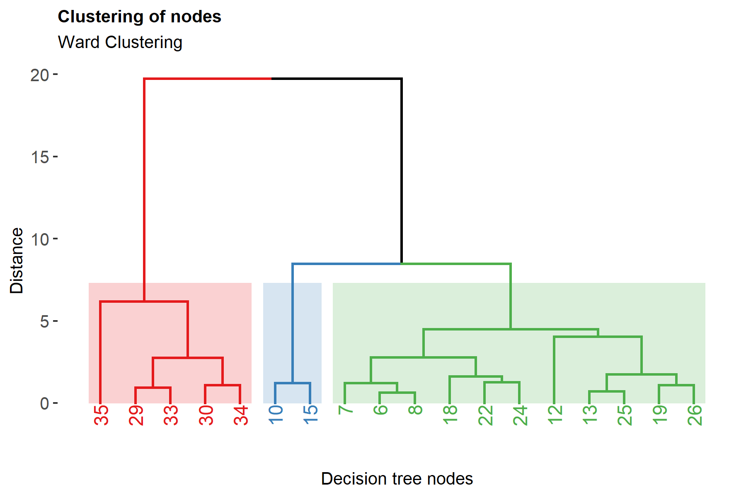

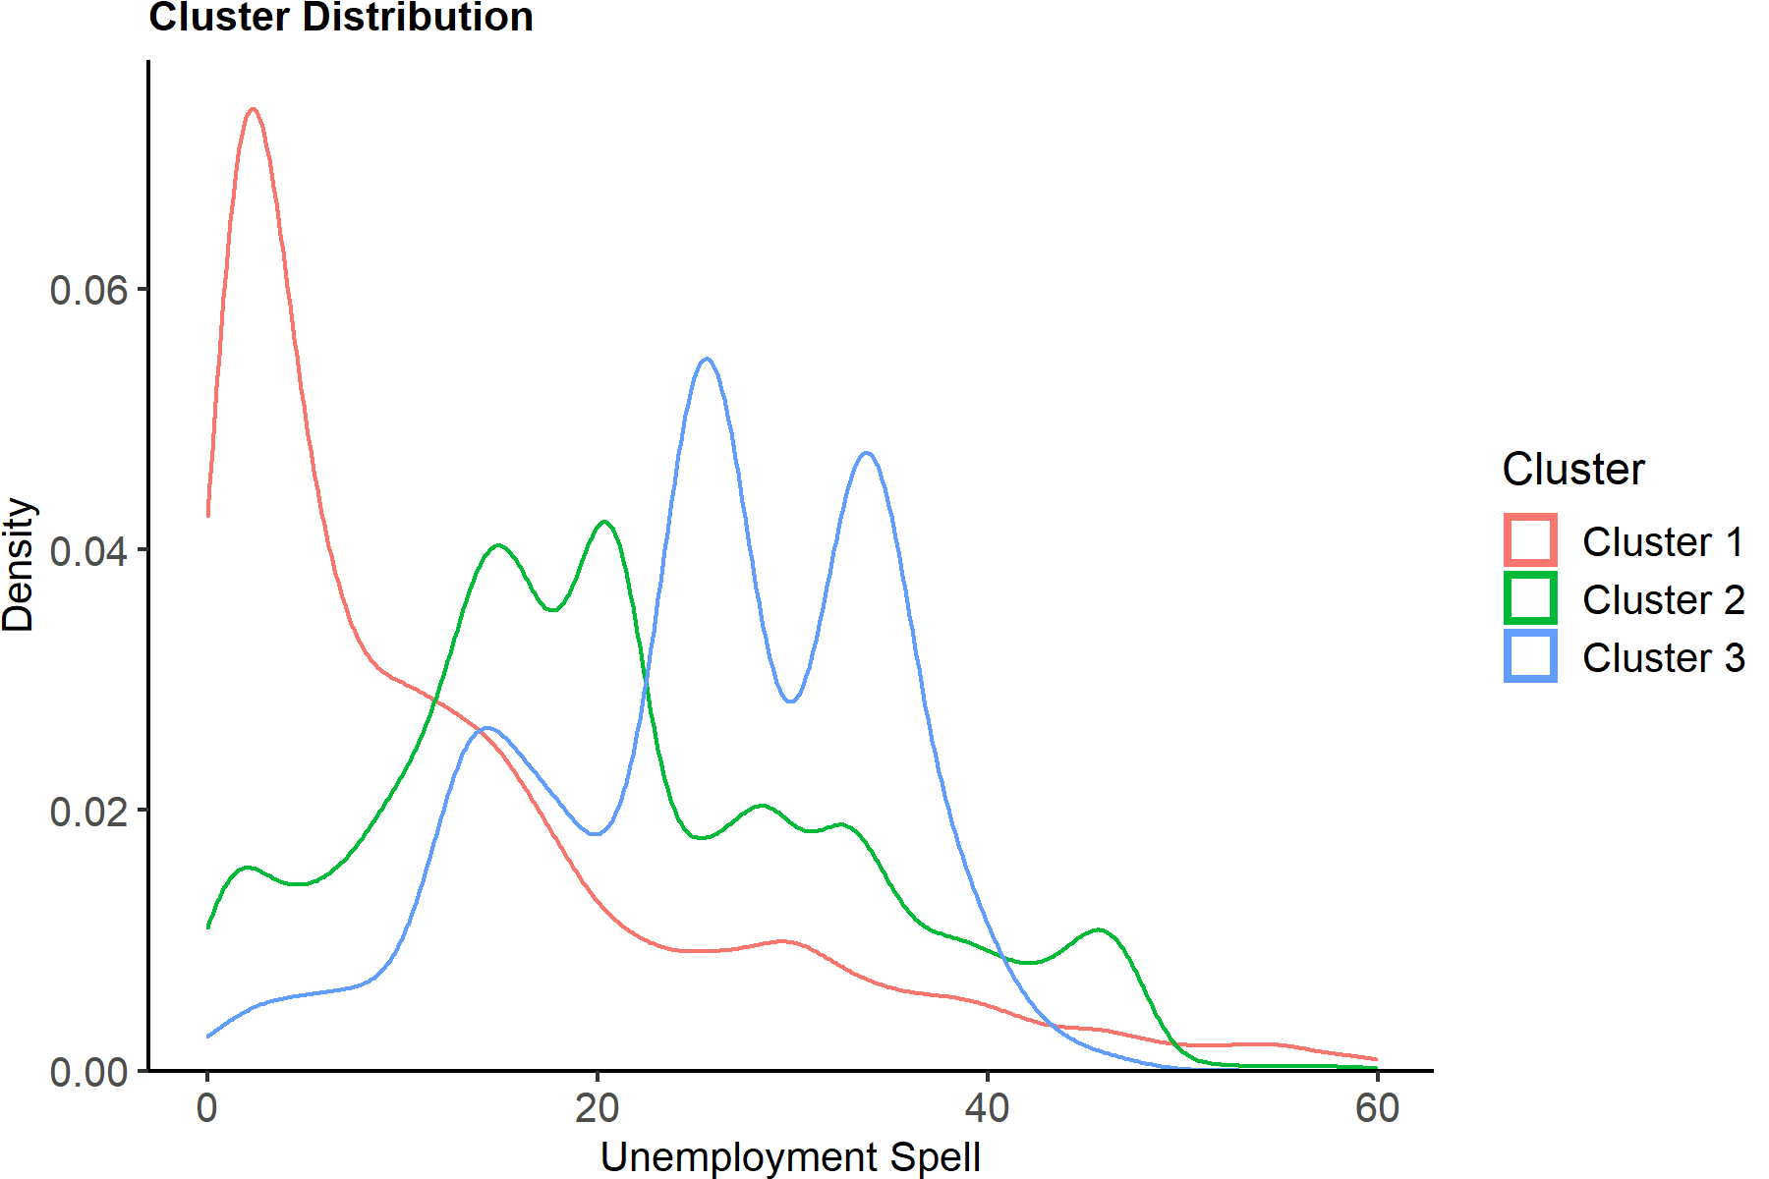
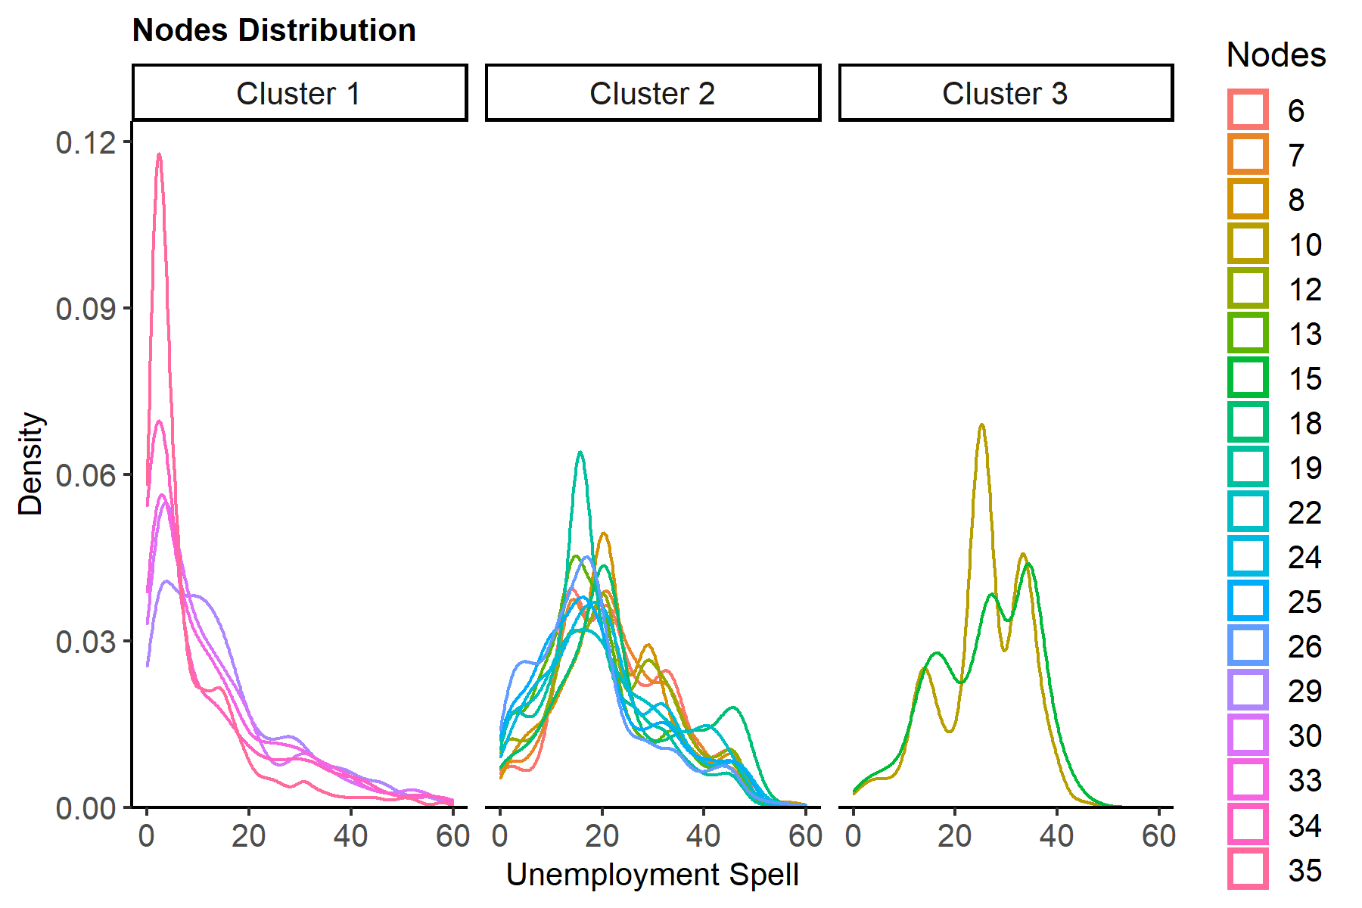

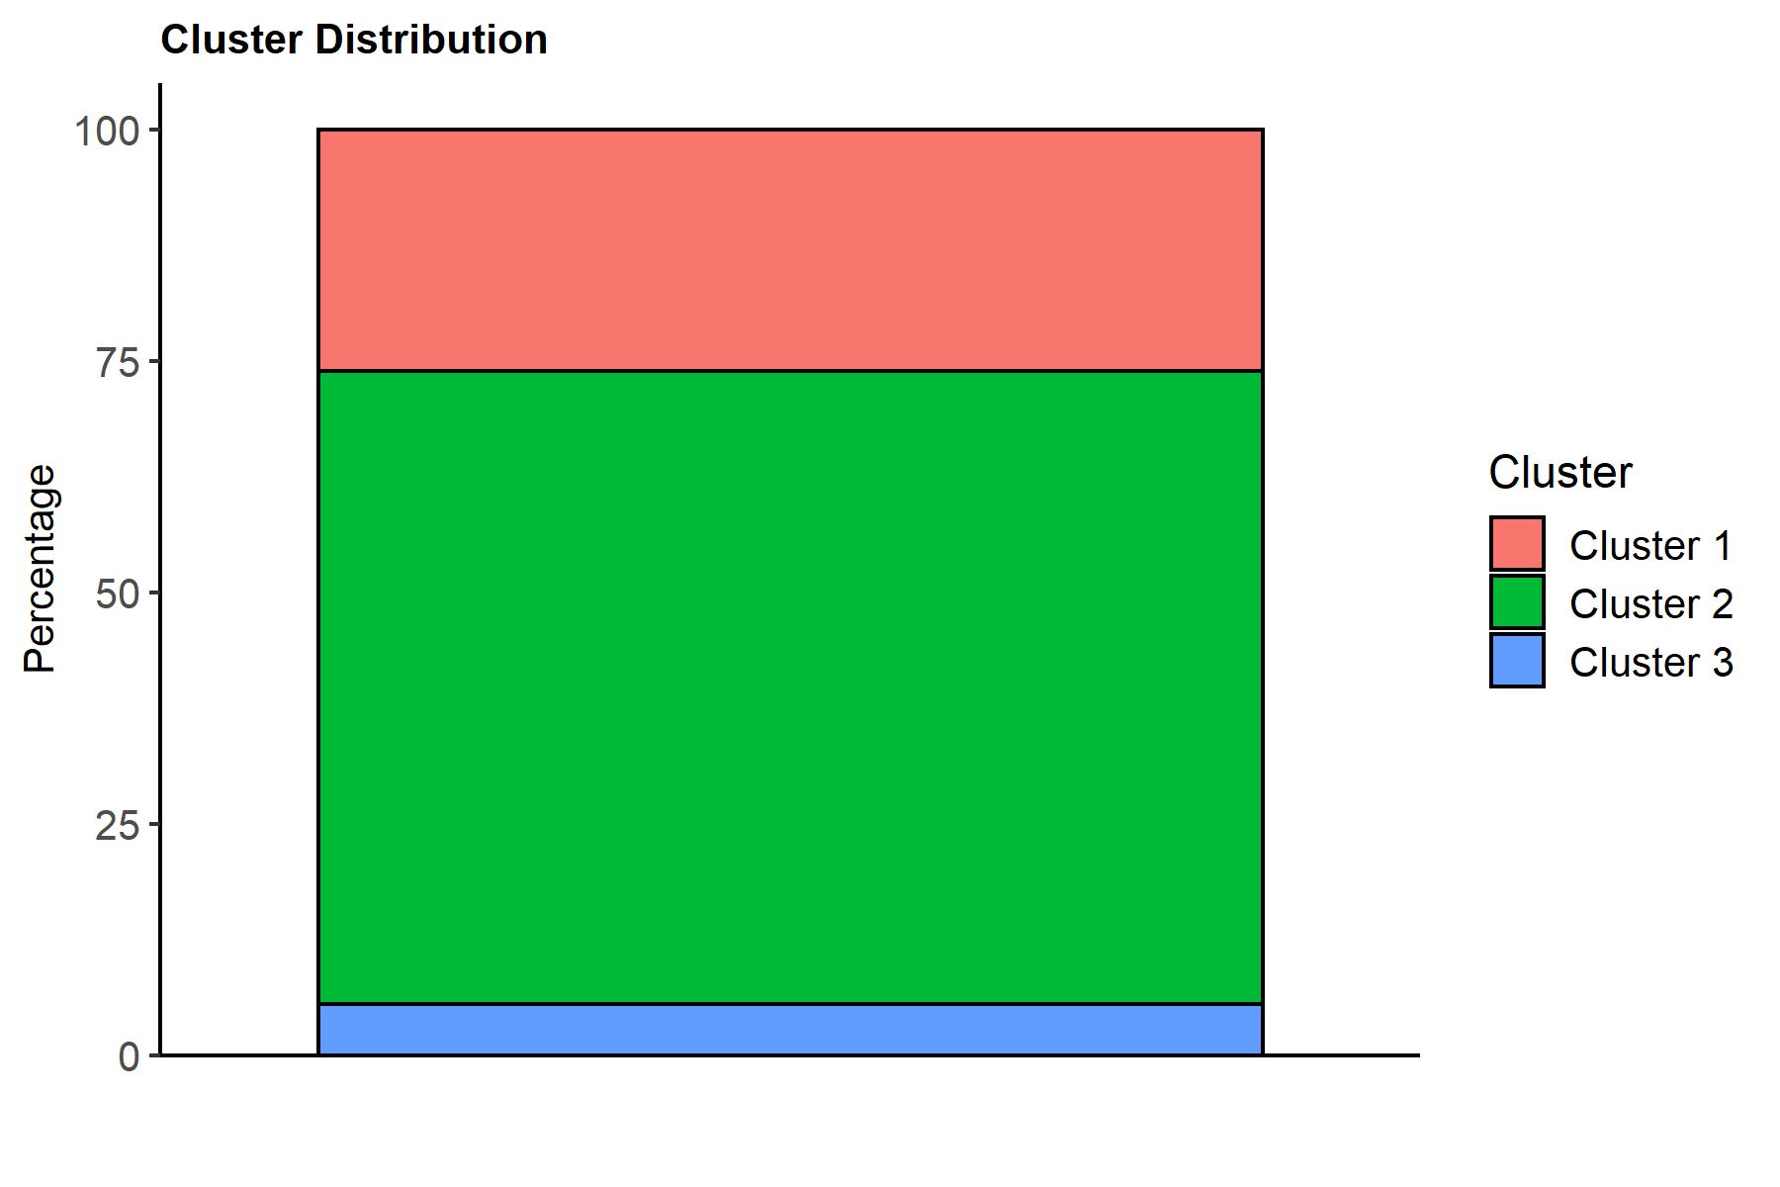
NameCluster | one
Cluster 1 | 26.0815822
Cluster 2 | 68.441984199
Cluster 3 | 5.4764336003

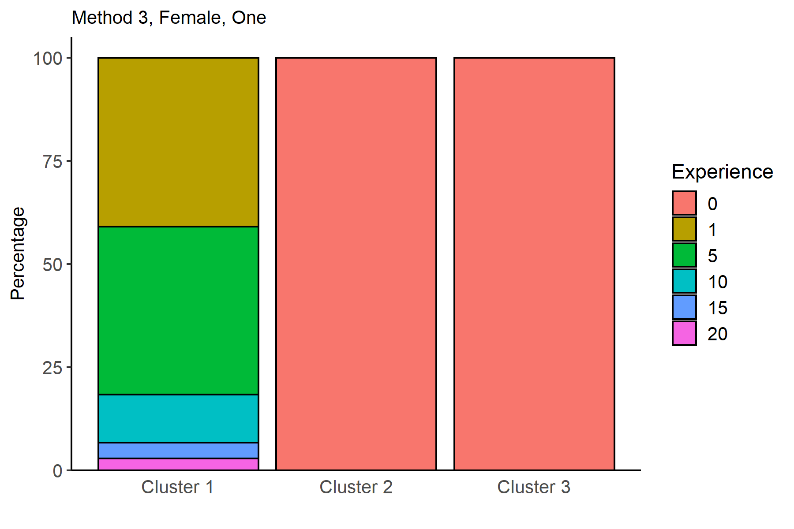
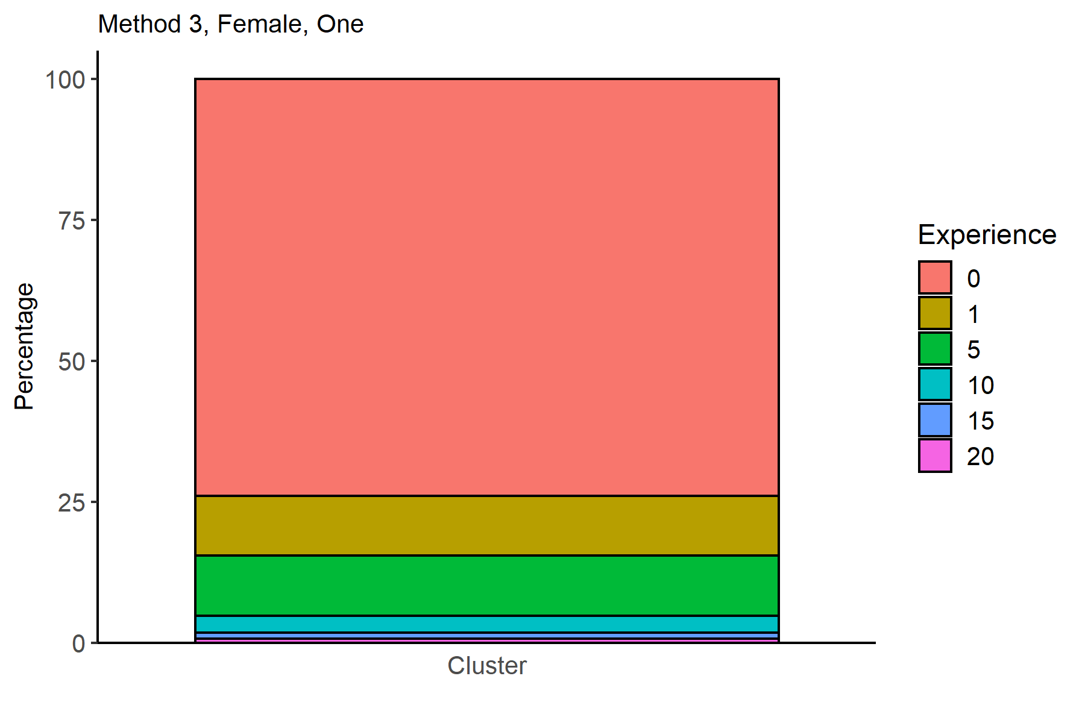
Experience | Cluster 1 | Cluster 2 | Cluster 3 |  |  |  |  |  |  |  |  |  |  |  |  |  |  |  | Experience | one
0 |  | 100 | 100 |  |  |  |  |  |  |  |  |  |  |  |  |  |  |  | 0 | 73.9184178
1 | 40.881928704 |  |  |  |  |  |  |  |  |  |  |  |  |  |  |  |  |  | 1 | 10.66265384
5 | 40.758293839 |  |  |  |  |  |  |  |  |  |  |  |  |  |  |  |  |  | 5 | 10.630407911
10 | 11.621677313 |  |  |  |  |  |  |  |  |  |  |  |  |  |  |  |  |  | 10 | 3.0311173214
15 | 3.8532866268 |  |  |  |  |  |  |  |  |  |  |  |  |  |  |  |  |  | 15 | 1.004998119
20 | 2.8848135174 |  |  |  |  |  |  |  |  |  |  |  |  |  |  |  |  |  | 20 | 0.75240500887

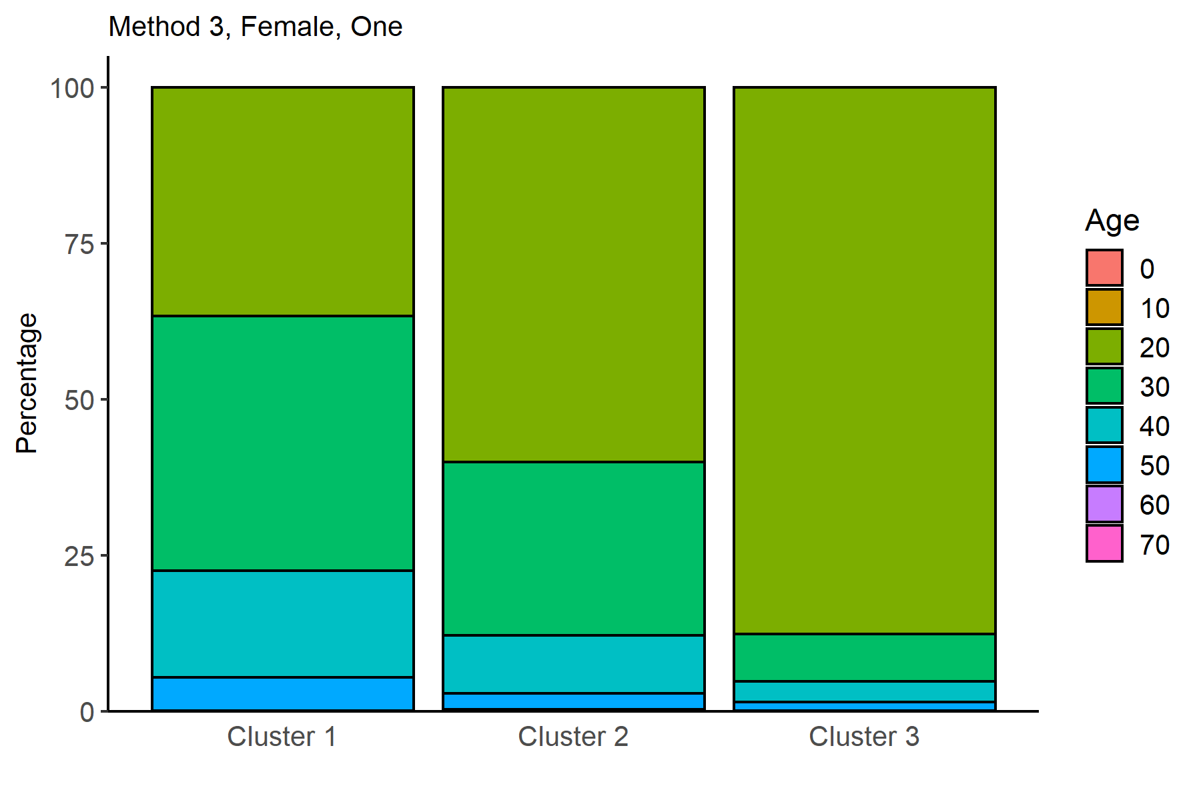
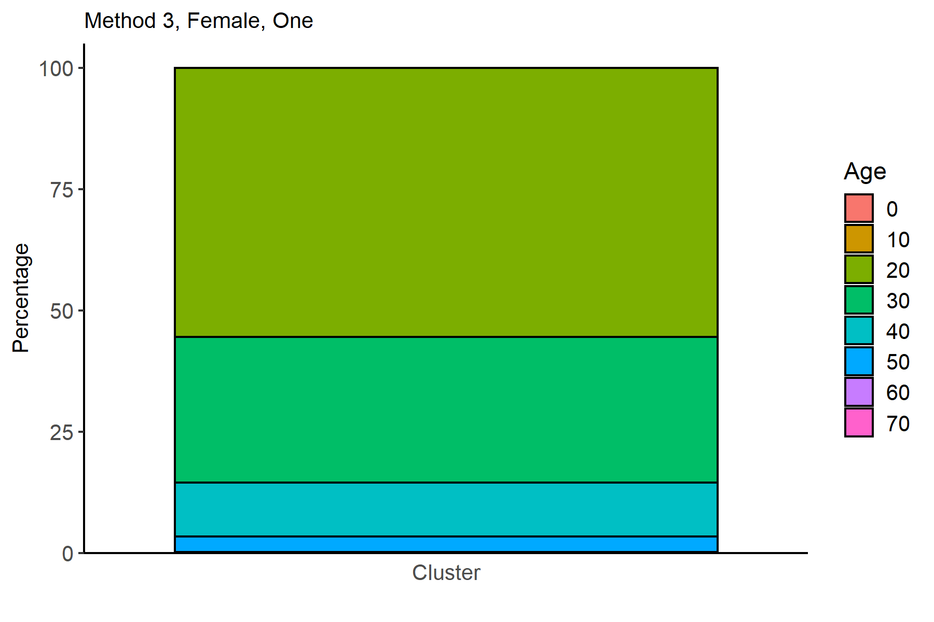
Age | Cluster 1 | Cluster 2 | Cluster 3 |  |  |  |  |  |  |  |  |  |  |  |  |  |  |  | Age | one
0 |  | 0.0078523753435 |  |  |  |  |  |  |  |  |  |  |  |  |  |  |  |  | 0 | 0.0053743214919
10 |  | 0.031409501374 |  |  |  |  |  |  |  |  |  |  |  |  |  |  |  |  | 10 | 0.021497285968
20 | 36.61652586 | 60.023557126 | 87.634936212 |  |  |  |  |  |  |  |  |  |  |  |  |  |  |  | 20 | 55.430751868
30 | 40.902534515 | 27.750294464 | 7.5564278705 |  |  |  |  |  |  |  |  |  |  |  |  |  |  |  | 30 | 30.074703069
40 | 17.102822996 | 9.3521790342 | 3.3366045142 |  |  |  |  |  |  |  |  |  |  |  |  |  |  |  | 40 | 11.044230666
50 | 5.2750875747 | 2.5912838634 | 1.3738959764 |  |  |  |  |  |  |  |  |  |  |  |  |  |  |  | 50 | 3.2245928951
60 | 0.10302905419 | 0.22771888496 | 0.098135426889 |  |  |  |  |  |  |  |  |  |  |  |  |  |  |  | 60 | 0.18810125222
70 |  | 0.015704750687 |  |  |  |  |  |  |  |  |  |  |  |  |  |  |  |  | 70 | 0.010748642984

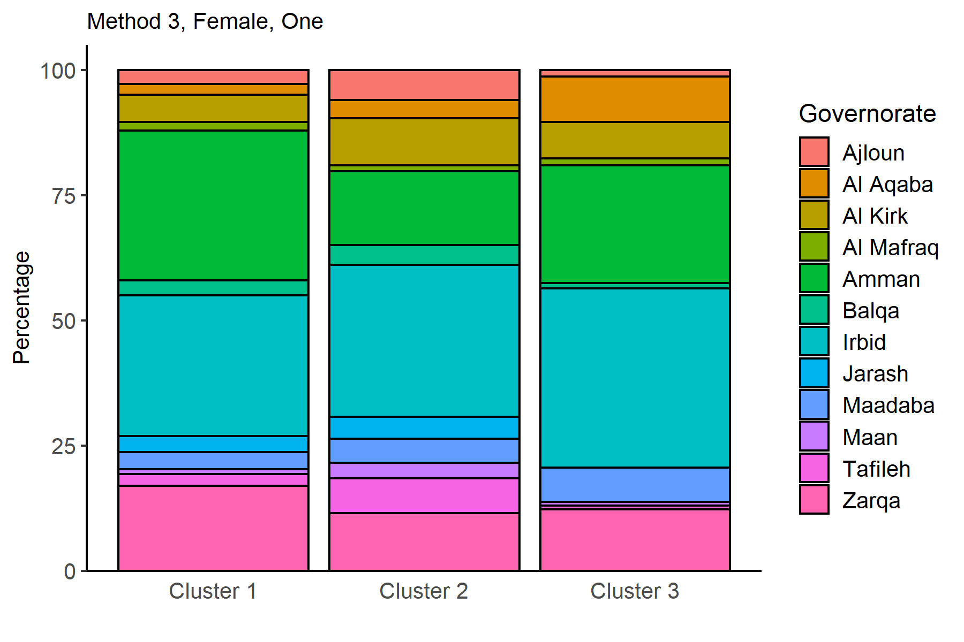
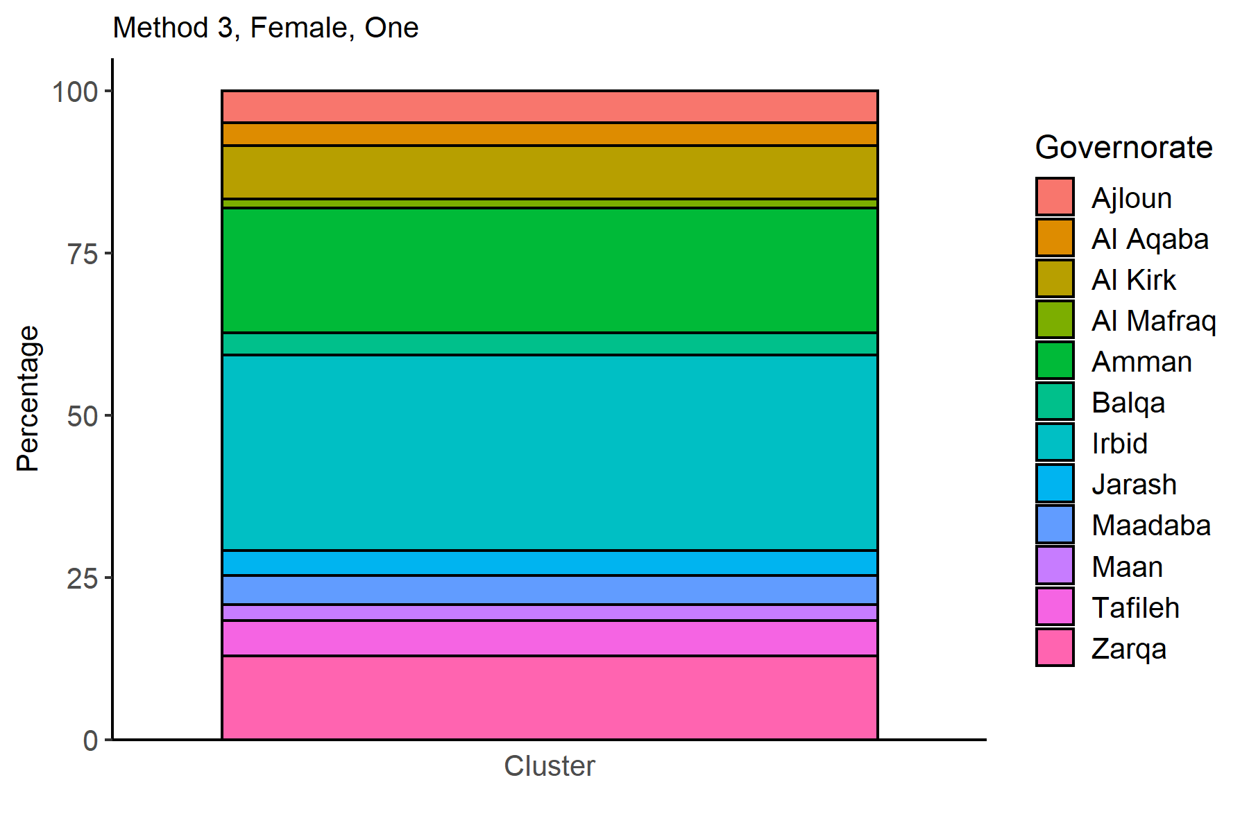
Governorate | Cluster 1 | Cluster 2 | Cluster 3 |  |  |  |  |  |  |  |  |  |  |  |  |  |  |  | Governorate | one
Ajloun | 2.8023902741 | 6.0306242638 | 1.2757605496 |  |  |  |  |  |  |  |  |  |  |  |  |  |  |  | Ajloun | 4.9282528081
Al Aqaba | 2.1223985164 | 3.588535532 | 9.1265947007 |  |  |  |  |  |  |  |  |  |  |  |  |  |  |  | Al Aqaba | 3.5094319342
Al Kirk | 5.4399340614 | 9.4385551629 | 7.2620215898 |  |  |  |  |  |  |  |  |  |  |  |  |  |  |  | Al Kirk | 8.2764550975
Al Mafraq | 1.7102822996 | 1.1935610522 | 1.3738959764 |  |  |  |  |  |  |  |  |  |  |  |  |  |  |  | Al Mafraq | 1.3382060515
Amman | 29.98145477 | 14.746760895 | 23.454367026 |  |  |  |  |  |  |  |  |  |  |  |  |  |  |  | Amman | 19.197076369
Balqa | 2.9466309499 | 3.8947781704 | 1.0794896958 |  |  |  |  |  |  |  |  |  |  |  |  |  |  |  | Balqa | 3.4933089697
Irbid | 28.085720173 | 30.396544955 | 35.819430815 |  |  |  |  |  |  |  |  |  |  |  |  |  |  |  | Irbid | 30.090826033
Jarash | 3.2145064908 | 4.389477817 |  |  |  |  |  |  |  |  |  |  |  |  |  |  |  |  | Jarash | 3.8426398667
Maadaba | 3.4617762209 | 4.7192775815 | 6.8694798822 |  |  |  |  |  |  |  |  |  |  |  |  |  |  |  | Maadaba | 4.5090557317
Maan | 0.92726148774 | 3.1566548881 | 0.78508341511 |  |  |  |  |  |  |  |  |  |  |  |  |  |  |  | Maan | 2.4453162788
Tafileh | 2.3284566248 | 6.9729093051 | 0.68694798822 |  |  |  |  |  |  |  |  |  |  |  |  |  |  |  | Tafileh | 5.4173160638
Zarqa | 16.979188131 | 11.472320377 | 12.266928361 |  |  |  |  |  |  |  |  |  |  |  |  |  |  |  | Zarqa | 12.952114796

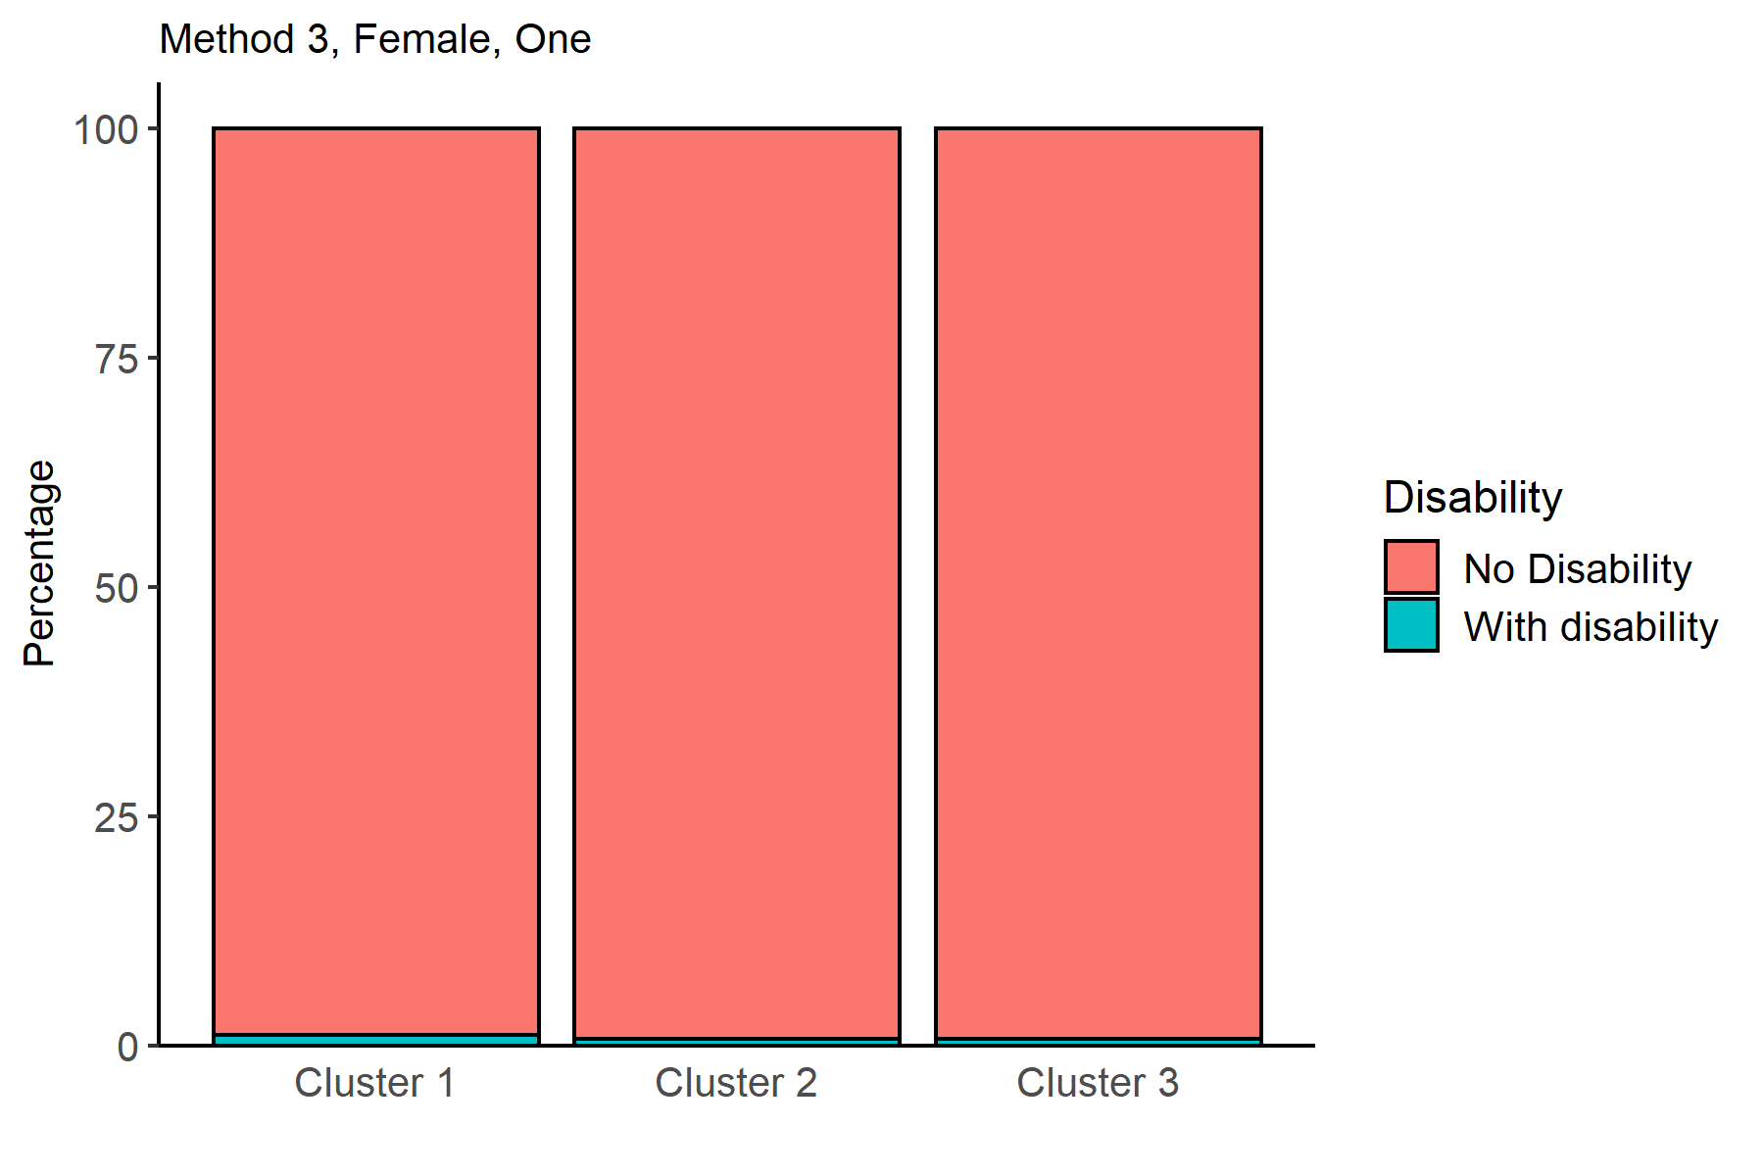

Disability | Cluster 1 | Cluster 2 | Cluster 3 |  |  |  |  |  |  |  |  |  |  |  |  |  |  |  | Disability | one
No Disability | 98.825468782 | 99.32469572 | 99.313052012 |  |  |  |  |  |  |  |  |  |  |  |  |  |  |  | No Disability | 99.193851776
With disability | 1.1745312178 | 0.67530427954 | 0.68694798822 |  |  |  |  |  |  |  |  |  |  |  |  |  |  |  | With disability | 0.80614822379

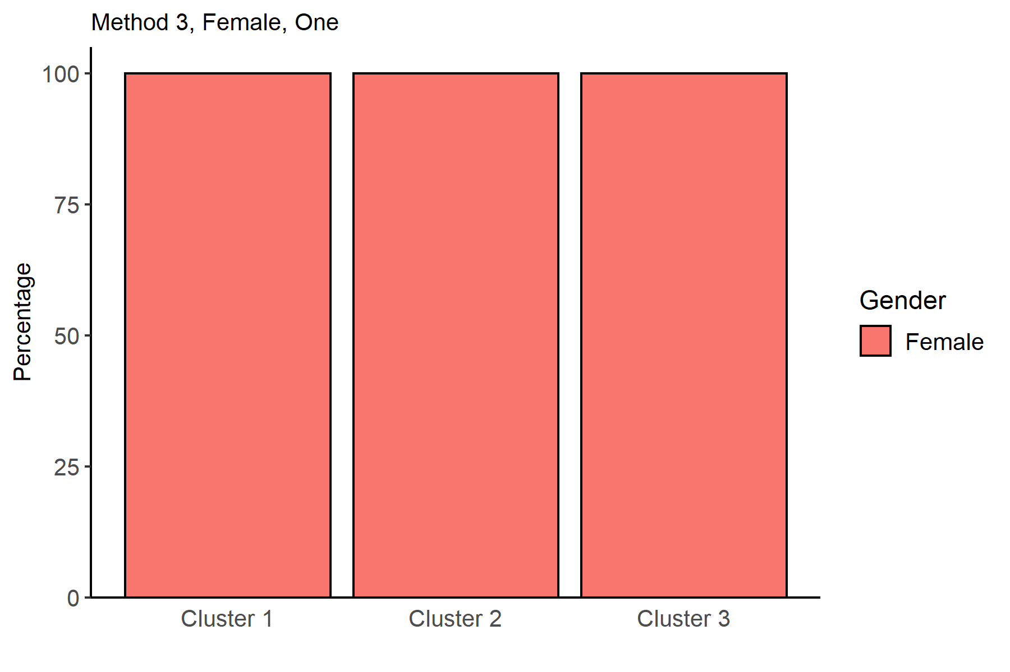
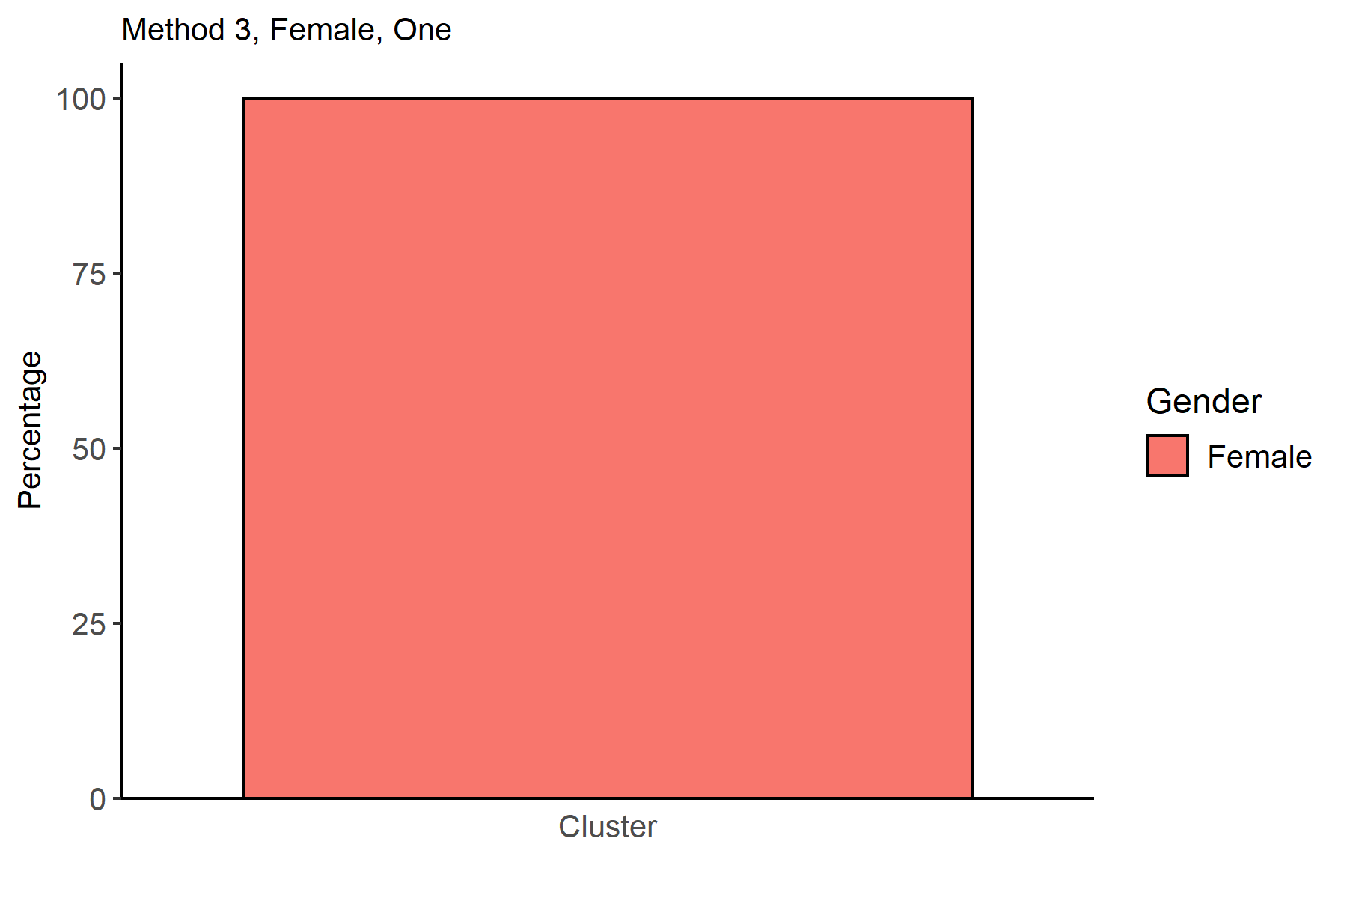
Gender | Cluster 1 | Cluster 2 | Cluster 3 |  |  |  |  |  |  |  |  |  |  |  |  |  |  |  | Gender | one
Female | 100 | 100 | 100 |  |  |  |  |  |  |  |  |  |  |  |  |  |  |  | Female | 100

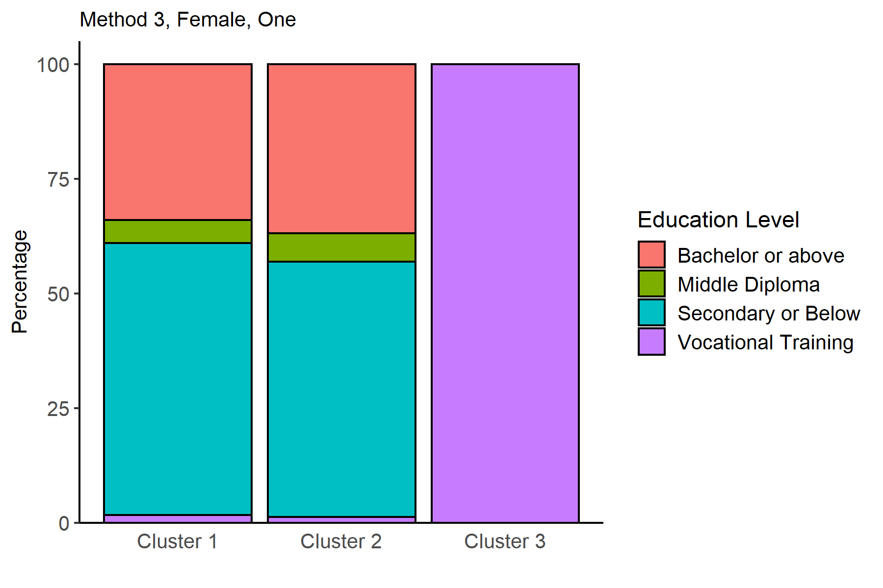
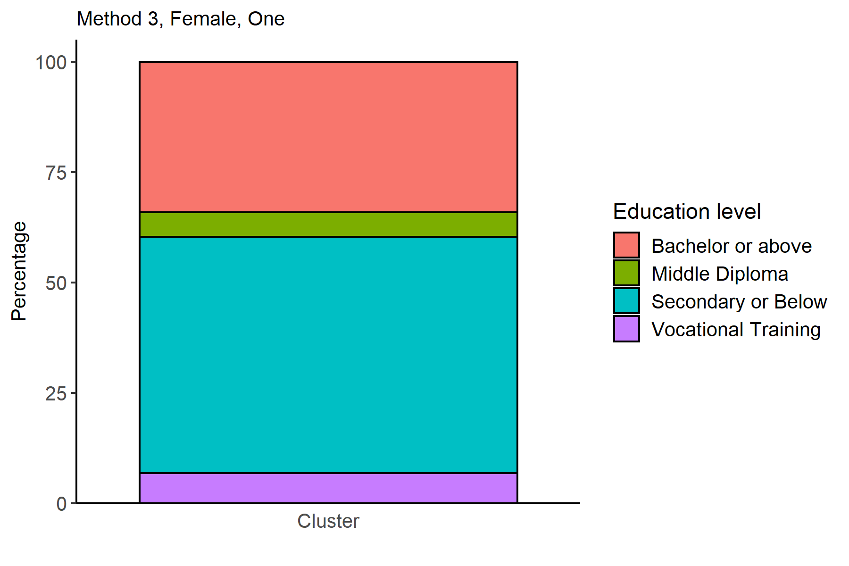
EducationLevel | Cluster 1 | Cluster 2 | Cluster 3 |  |  |  |  |  |  |  |  |  |  |  |  |  |  |  | EducationLevel | one
Bachelor or above | 33.999587884 | 36.843345112 |  |  |  |  |  |  |  |  |  |  |  |  |  |  |  |  | Bachelor or above | 34.083946902
Middle Diploma | 5.0278178446 | 6.2504907735 |  |  |  |  |  |  |  |  |  |  |  |  |  |  |  |  | Middle Diploma | 5.5892943516
Secondary or Below | 59.344735215 | 55.641931684 |  |  |  |  |  |  |  |  |  |  |  |  |  |  |  |  | Secondary or Below | 53.560487988
Vocational Training | 1.6278590563 | 1.2642324303 | 100 |  |  |  |  |  |  |  |  |  |  |  |  |  |  |  | Vocational Training | 6.7662707583

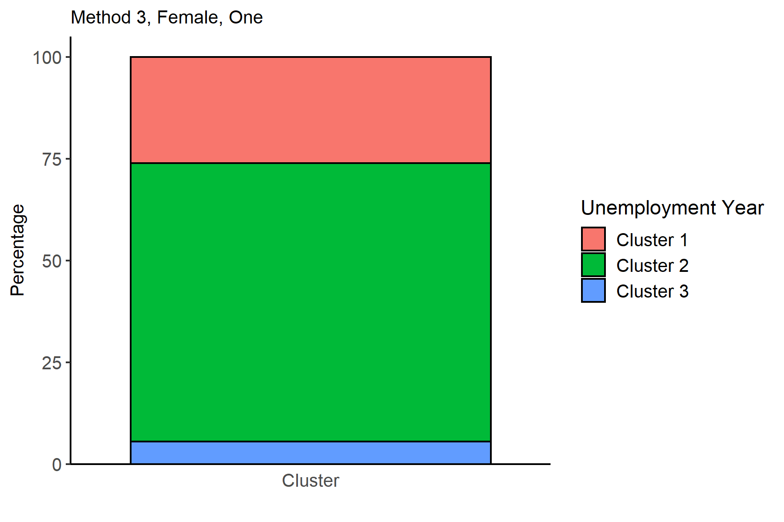
 |  |  |  |  |  |  |  |  |  |  |  |  |  |  |  |  |  |  | NameCluster | one
 |  |  |  |  |  |  |  |  |  |  |  |  |  |  |  |  |  |  | Cluster 1 | 26.0815822
 |  |  |  |  |  |  |  |  |  |  |  |  |  |  |  |  |  |  | Cluster 2 | 68.441984199
 |  |  |  |  |  |  |  |  |  |  |  |  |  |  |  |  |  |  | Cluster 3 | 5.4764336003

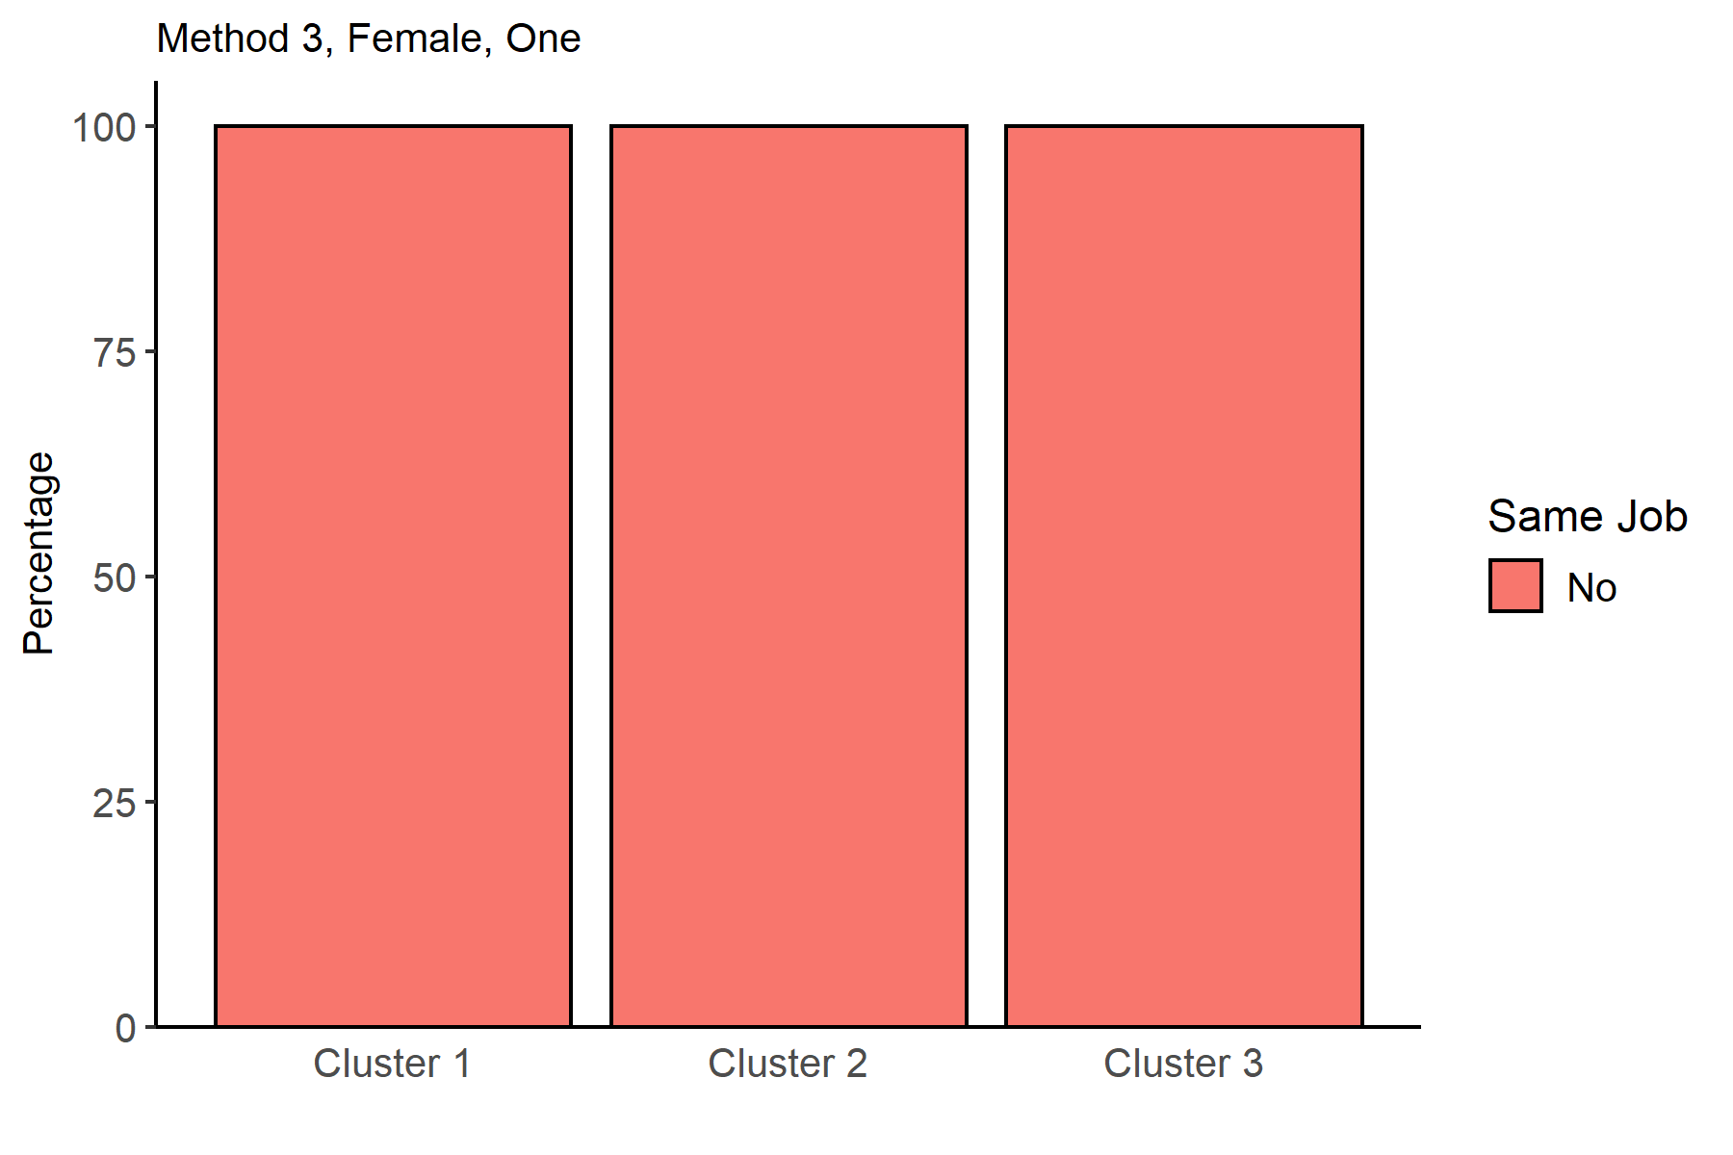
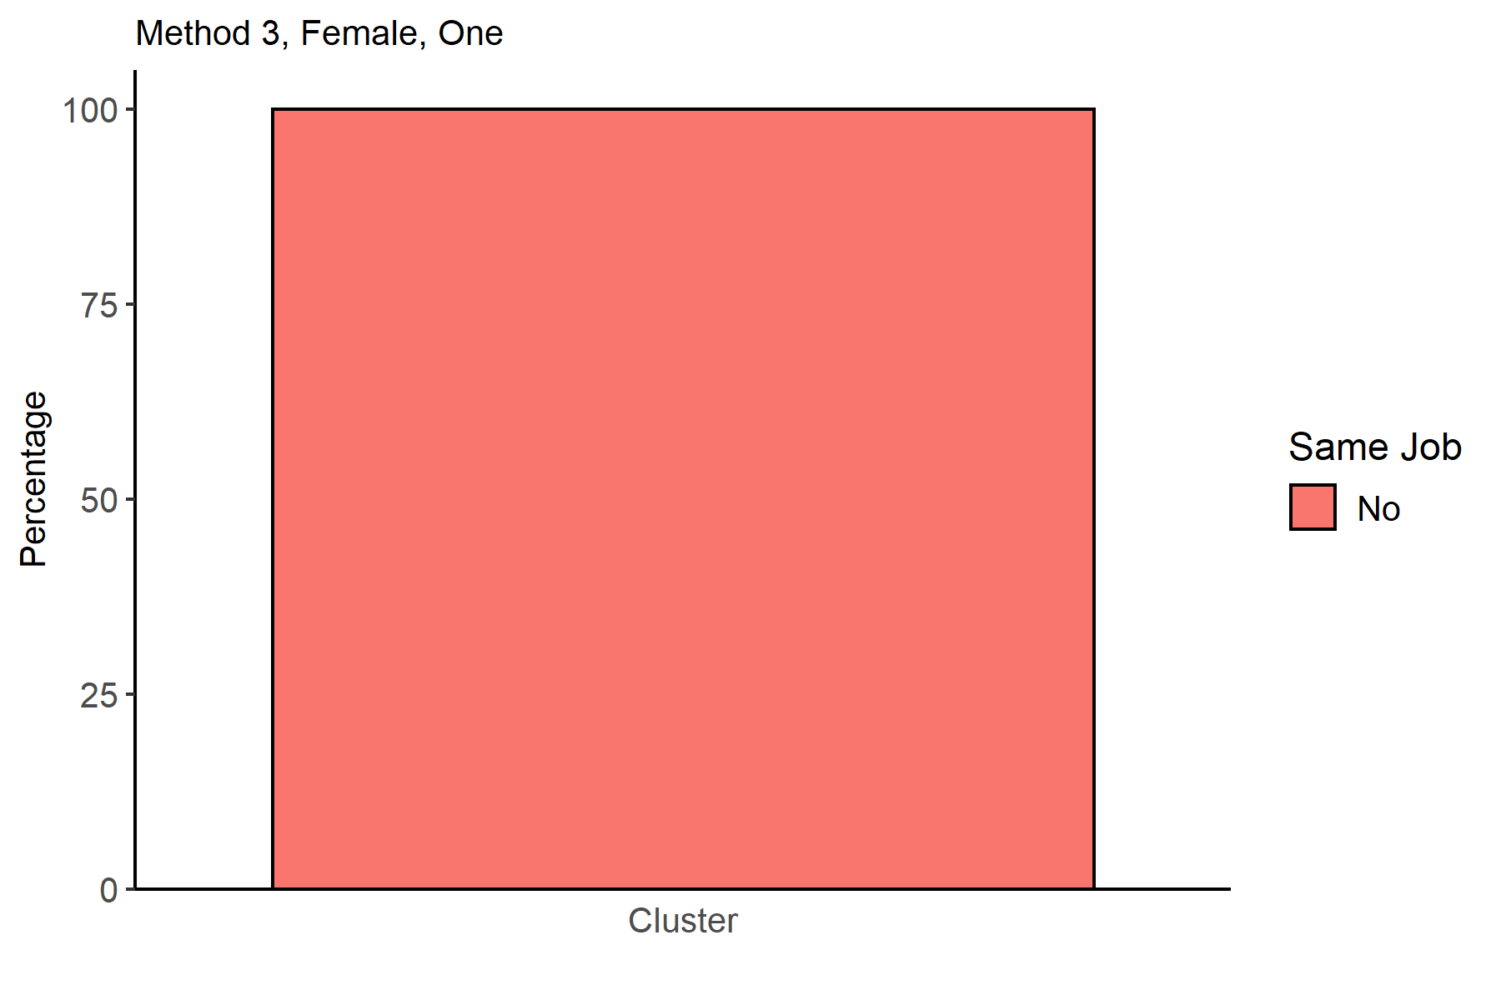
SameJob | Cluster 1 | Cluster 2 | Cluster 3 |  |  |  |  |  |  |  |  |  |  |  |  |  |  |  | SameJob | one
No | 100 | 100 | 100 |  |  |  |  |  |  |  |  |  |  |  |  |  |  |  | No | 100



WageGroup | Cluster 1 | Cluster 2 | Cluster 3 |  |  |  |  |  |  |  |  |  |  |  |  |  |  |  | WageGroup | one
0 | 100 | 100 | 100 |  |  |  |  |  |  |  |  |  |  |  |  |  |  |  | 0 | 100



Var1 | Var2 | Freq |  |  |  |  |  |  |  |  |  |  |  |  |  |  |  |  | Var1 | Var2 | Freq
Cluster 1 | 0 | 4853 |  |  |  |  |  |  |  |  |  |  |  |  |  |  |  |  | Cluster | 0 | 18607
Cluster 2 | 0 | 12735
Cluster 3 | 0 | 1019



Industry | Cluster 1 | Cluster 2 | Cluster 3 |  |  |  |  |  |  |  |  |  |  |  |  |  |  |  | Unity | Industry | one
 | 12.425303936 | 57.974087161 | 83.61138371 |  |  |  |  |  |  |  |  |  |  |  |  |  |  |  | Cluster |  | 47.498253346
Agriculture, hunting and fishery | 0.39151040593 | 0.14134275618 | 0.098135426889 |  |  |  |  |  |  |  |  |  |  |  |  |  |  |  | Cluster | Agriculture, hunting and fishery | 0.20422421669
Community Service activities | 2.0605810839 | 0.99725166863 | 1.5701668302 |  |  |  |  |  |  |  |  |  |  |  |  |  |  |  | Cluster | Community Service activities | 1.3059601225
Construction | 1.916340408 | 1.2171181782 | 0.19627085378 |  |  |  |  |  |  |  |  |  |  |  |  |  |  |  | Cluster | Construction | 1.343580373
Education | 21.327014218 | 6.6431095406 | 1.4720314033 |  |  |  |  |  |  |  |  |  |  |  |  |  |  |  | Cluster | Education | 10.189713549
Electricity, gas, water | 0.10302905419 | 0.078523753435 | 0.098135426889 |  |  |  |  |  |  |  |  |  |  |  |  |  |  |  | Cluster | Electricity, gas, water | 0.085989143871
Financial activities | 0.86544405522 | 0.77738515901 | 0.098135426889 |  |  |  |  |  |  |  |  |  |  |  |  |  |  |  | Cluster | Financial activities | 0.76315365185
Health and social activities | 4.9247887904 | 2.2614840989 | 0.68694798822 |  |  |  |  |  |  |  |  |  |  |  |  |  |  |  | Cluster | Health and social activities | 2.8698876767
Industry | 38.718318566 | 22.269336474 | 8.6359175662 |  |  |  |  |  |  |  |  |  |  |  |  |  |  |  | Cluster | Industry | 25.812866126
International organizations | 0.3709045951 | 0.3062426384 | 0.098135426889 |  |  |  |  |  |  |  |  |  |  |  |  |  |  |  | Cluster | International organizations | 0.31171064653
Mining and Quarrying | 0.061817432516 | 0.023557126031 |  |  |  |  |  |  |  |  |  |  |  |  |  |  |  |  | Cluster | Mining and Quarrying | 0.032245928951
Private families who hire individuals for household chores | 0.12363486503 | 0.0078523753435 |  |  |  |  |  |  |  |  |  |  |  |  |  |  |  |  | Cluster | Private families who hire individuals for household chores | 0.037620250443
Real Estate Activities | 6.7174943334 | 2.3871221044 | 0.39254170756 |  |  |  |  |  |  |  |  |  |  |  |  |  |  |  | Cluster | Real Estate Activities | 3.4073198259
Tourism | 1.5454358129 | 0.68315665489 | 0.39254170756 |  |  |  |  |  |  |  |  |  |  |  |  |  |  |  | Cluster | Tourism | 0.89213736766
Transportation, communication and storage | 1.7720997321 | 1.0757754221 |  |  |  |  |  |  |  |  |  |  |  |  |  |  |  |  | Cluster | Transportation, communication and storage | 1.1984736927
Wholesale and retail trade | 6.6762827117 | 3.1566548881 | 2.649656526 |  |  |  |  |  |  |  |  |  |  |  |  |  |  |  | Cluster | Wholesale and retail trade | 4.0468640834


Cluster 1 | Cluster 2 | Cluster 3
12.64 | 20.91 | 25.4


Cluster 1 | Cluster 2 | Cluster 3
12.74 | 11.84 | 9.19


Cluster 1 | Cluster 2 | Cluster 3
1.01 | 0.57 | 0.36


Cluster 1 | Cluster 2 | Cluster 3
4853 | 12735 | 1019


NameCluster | node | one
Cluster 1 | 29 | 1243
Cluster 1 | 30 | 741
Cluster 1 | 33 | 1280
Cluster 1 | 34 | 680
Cluster 1 | 35 | 909
Cluster 2 | 6 | 776
Cluster 2 | 7 | 1215
Cluster 2 | 8 | 806
Cluster 2 | 12 | 3038
Cluster 2 | 13 | 870
Cluster 2 | 18 | 906
Cluster 2 | 19 | 1388
Cluster 2 | 22 | 965
Cluster 2 | 24 | 582
Cluster 2 | 25 | 928
Cluster 2 | 26 | 1261
Cluster 3 | 10 | 504
Cluster 3 | 15 | 515

